Figures for report
Train and test accuracy of 192 cases that represent machine types, domain, SNR level, and feature extraction method by different Epochs
Supervised learning for anomalous sound detection of the machine
STFT
MFCCs
GFCCs
Mel spectogarm
CNN
(Convolution neural
Network)
Fit → prediction
Normal: 0
Abnormal: 1
Feature extraction
Classfication model
Fan
Pumps
Valves
Slide rails
Labeling
MIMII dataset
Evaluation
Accuracy
TP, TF, FN, TN
ROC curve & AUC
PR curve & AP

This figure shows the whole procedure.
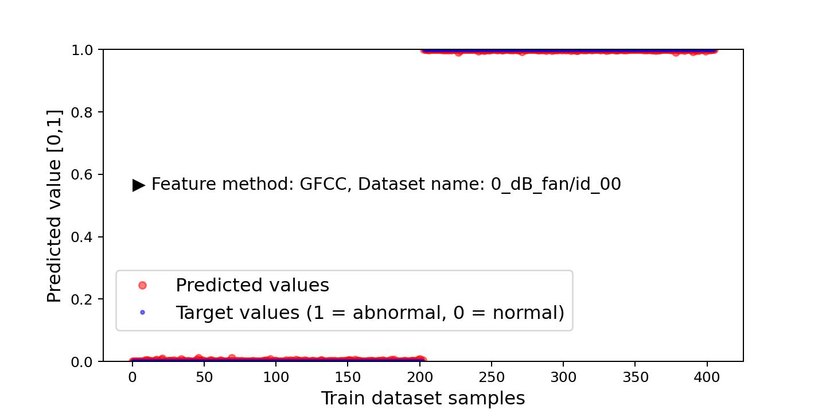
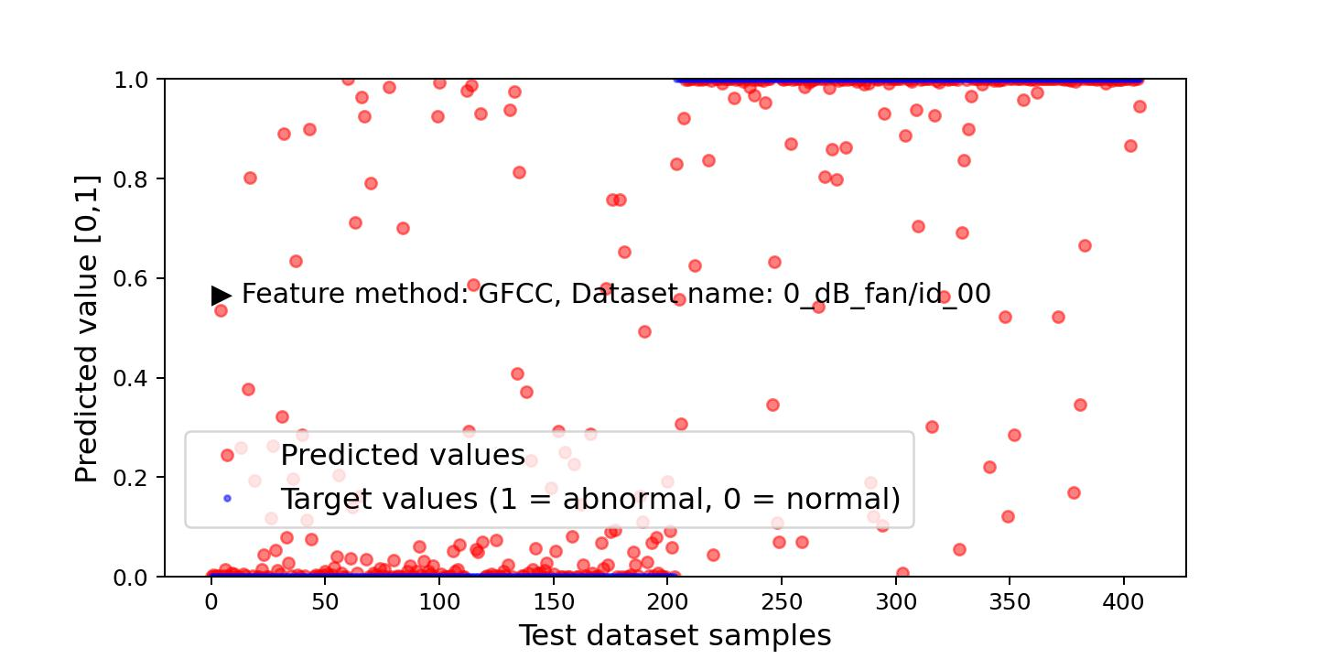
False positive points
True positive points
True negative points
False negative points
Threshold
line (=0.5)
Prediction results by train dataset
Prediction results by test dataset
Train dataset
 | 5 | 15 | 25 | 35
1 | 0.96629214287 | 1 | 1 | 1
2 | 0.84210526943 | 0.99624061584 | 1 | 1
3 | 0.51685392857 | 1 | 1 | 1
4 | 0.5 | 0.97727274895 | 1 | 1
5 | 0.99719101191 | 1 | 1 | 1
6 | 0.89849627018 | 1 | 1 | 1
7 | 0.9494382143 | 1 | 1 | 1
8 | 0.5 | 0.85227274895 | 1 | 1
9 | 1 | 1 | 1 | 1
10 | 0.89097744226 | 1 | 1 | 1
11 | 1 | 1 | 1 | 1
12 | 0.64772725105 | 0.86363637447 | 1 | 1
1 | 0.65024632215 | 1 | 1 | 1
2 | 0.91340780258 | 1 | 1 | 1
3 | 0.88218390942 | 1 | 1 | 1
4 | 0.5 | 0.94999998808 | 0.99722224474 | 0.99722224474
5 | 0.94581282139 | 1 | 1 | 1
6 | 1 | 1 | 1 | 1
7 | 1 | 1 | 1 | 1
8 | 0.5 | 1 | 1 | 1
9 | 1 | 1 | 1 | 1
10 | 0.99162012339 | 1 | 1 | 1
11 | 0.5 | 1 | 1 | 1
12 | 0.5 | 1 | 1 | 1
1 | 0.53389829397 | 0.93220341206 | 1 | 1
2 | 0.5 | 1 | 1 | 1
3 | 0.81666666269 | 1 | 1 | 1
4 | 0.55833333731 | 1 | 1 | 1
5 | 0.83050847054 | 0.99152541161 | 1 | 1
6 | 0.76666665077 | 0.86666667461 | 1 | 1
7 | 0.75 | 1 | 1 | 1
8 | 0.86666667461 | 1 | 1 | 1
9 | 0.5 | 0.54237288237 | 1 | 1
10 | 0.76666665077 | 1 | 1 | 1
11 | 0.75 | 0.82499998808 | 1 | 1
12 | 0.85000002384 | 1 | 1 | 1
1 | 0.85211265087 | 1 | 1 | 1
2 | 0.5 | 0.91818183661 | 1 | 1
3 | 0.98000001907 | 1 | 1 | 1
4 | 0.6862745285 | 1 | 1 | 1
5 | 0.89436620474 | 1 | 1 | 1
6 | 0.54545456171 | 0.99090909958 | 1 | 1
7 | 0.94999998808 | 1 | 1 | 1
8 | 0.91176468134 | 1 | 1 | 1
9 | 0.936619699 | 1 | 1 | 1
10 | 0.60000002384 | 1 | 1 | 1
11 | 0.97000002861 | 1 | 1 | 1
12 | 0.98039215803 | 1 | 1 | 1
1 | 0.98595505953 | 1 | 1 | 1
2 | 0.86090224981 | 1 | 1 | 1
...
Test dataset
 | 5 | 15 | 25 | 35
1 | 0.93539327383 | 0.98314607143 | 0.98033708334 | 0.98314607143
2 | 0.824626863 | 0.83208954334 | 0.86567163467 | 0.87686568499
3 | 0.5 | 0.98314607143 | 0.99438202381 | 0.99438202381
4 | 0.5 | 0.64444446564 | 0.66666668653 | 0.76666665077
5 | 0.98876404762 | 0.99438202381 | 0.99438202381 | 0.99438202381
6 | 0.86194032431 | 0.97014927864 | 0.97761195898 | 0.97761195898
7 | 0.8988764286 | 0.99438202381 | 1 | 1
8 | 0.5 | 0.72222220898 | 0.87777775526 | 0.98888885975
9 | 0.98876404762 | 0.99157303572 | 0.99157303572 | 0.99157303572
10 | 0.86194032431 | 0.99253731966 | 0.99626863003 | 0.99626863003
11 | 1 | 1 | 1 | 1
12 | 0.58888888359 | 0.67777776718 | 0.83333331347 | 0.91111111641
1 | 0.625 | 0.82598036528 | 0.84313726425 | 0.86274510622
2 | 0.7722222209 | 0.94999998808 | 0.94722223282 | 0.94444441795
3 | 0.83333331347 | 0.96551722288 | 0.96839082241 | 0.96264368296
4 | 0.5 | 0.90055251122 | 0.97790056467 | 0.97237569094
5 | 0.92647057772 | 0.97794115543 | 0.97794115543 | 0.98284316063
6 | 0.99166667461 | 0.99444442987 | 0.99444442987 | 0.99722224474
7 | 0.98850572109 | 0.99712646008 | 0.99712646008 | 0.99712646008
8 | 0.5 | 0.99447512627 | 0.99447512627 | 0.99447512627
9 | 1 | 1 | 1 | 1
10 | 0.98333334923 | 1 | 1 | 1
11 | 0.5 | 1 | 1 | 1
12 | 0.5 | 1 | 0.98066300154 | 0.98895025253
1 | 0.5 | 0.51666665077 | 0.71666663885 | 0.71666663885
2 | 0.5 | 0.63333332539 | 0.66666668653 | 0.65833336115
3 | 0.50833332539 | 0.57499998808 | 0.57499998808 | 0.56666666269
4 | 0.5 | 0.63333332539 | 0.625 | 0.65833336115
5 | 0.54166668653 | 0.63333332539 | 0.70833331347 | 0.70833331347
6 | 0.54166668653 | 0.625 | 0.65833336115 | 0.72500002384
7 | 0.54166668653 | 0.65833336115 | 0.77499997616 | 0.77499997616
8 | 0.61666667461 | 0.68333333731 | 0.69999998808 | 0.70833331347
9 | 0.5 | 0.5 | 0.80000001192 | 0.84166663885
10 | 0.59166663885 | 0.85000002384 | 0.86666667461 | 0.86666667461
11 | 0.61666667461 | 0.64166665077 | 0.88333332539 | 0.86666667461
12 | 0.64166665077 | 0.77499997616 | 0.77499997616 | 0.80000001192
1 | 0.60416668653 | 0.80555558205 | 0.75694441795 | 0.76388889551
2 | 0.5 | 0.80357140303 | 0.9375 | 0.96428573132
3 | 0.92000001669 | 0.94999998808 | 0.94999998808 | 0.94999998808
4 | 0.6274510026 | 0.97058820724 | 0.98039215803 | 0.97058820724
5 | 0.80555558205 | 0.90277779102 | 0.90972220898 | 0.92361110449
6 | 0.5 | 0.80357140303 | 0.92857140303 | 0.96428573132
7 | 0.94999998808 | 0.99000000954 | 1 | 0.99000000954
8 | 0.86274510622 | 0.98039215803 | 0.99019604921 | 0.99019604921
9 | 0.93055558205 | 0.97222220898 | 0.98611110449 | 0.97222220898
10 | 0.53571426868 | 1 | 0.99107140303 | 1
11 | 0.98000001907 | 0.99000000954 | 0.99000000954 | 0.99000000954
12 | 0.99019604921 | 0.99019604921 | 0.99019604921 | 0.99019604921
1 | 0.94382023811 | 0.96067416668 | 0.95786517859 | 0.95786517859
2 | 0.80223882198 | 0.79477614164 | 0.79104477167 | 0.79477614164
...
Epochs:

Proposed spectogram + CNN architecture (supervised learning)

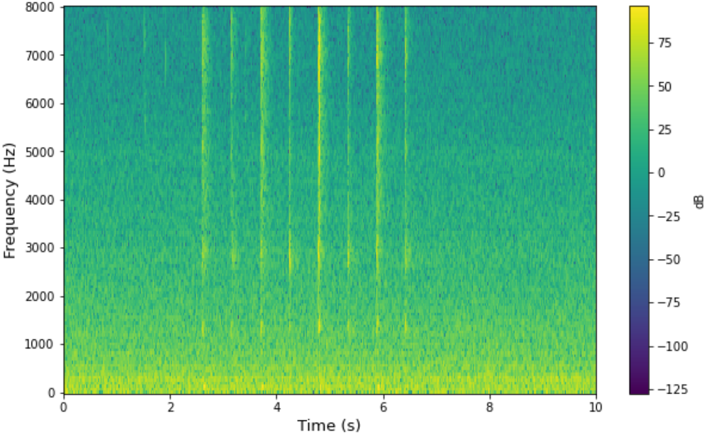
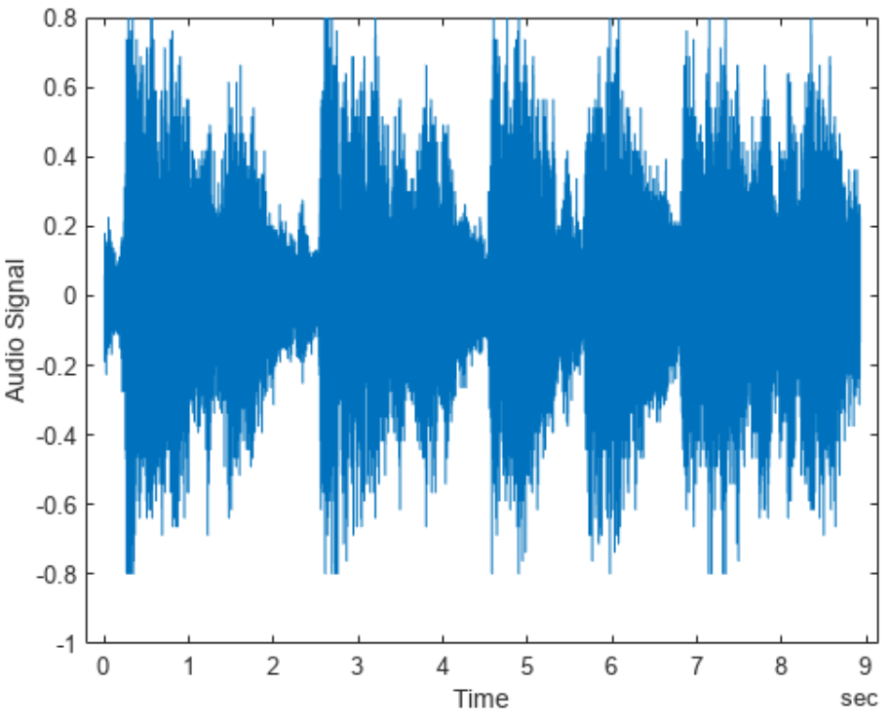
Spectrogram Image
Feature Extraction
(MFCC, STFT, GFCC,
Mel-spectrogram)
Audio data
Conv 2D
(3 x 3 kernel, relu)
32 Convolutions
Maxpooling 2D
(3 x 3 kernel)
32 Convolutions
Flatten
Dense layer
(64 node, relu)
Dense layer
(32 node, relu)
Dense layer
(16 node, relu)
Output layer
(1 node, sigmoid)

a)

5 | 0.93539327383 | 0.824626863 | 0.5 | 0.5 | 0.98876404762 | 0.86194032431 | 0.8988764286 | 0.5 | 0.98876404762 | 0.86194032431 | 1 | 0.58888888359
10 | 0.97752809525 | 0.84328359365 | 0.97752809525 | 0.51111114025 | 0.99438202381 | 0.96641790867 | 0.99438202381 | 0.5 | 0.99157303572 | 0.98880594969 | 1 | 0.67777776718
15 | 0.98314607143 | 0.83208954334 | 0.98314607143 | 0.64444446564 | 0.99438202381 | 0.97014927864 | 0.99438202381 | 0.72222220898 | 0.99157303572 | 0.99253731966 | 1 | 0.67777776718
20 | 0.98033708334 | 0.87686568499 | 0.99438202381 | 0.69999998808 | 0.99438202381 | 0.97014927864 | 0.99438202381 | 0.83333331347 | 0.99157303572 | 0.99253731966 | 1 | 0.64444446564
25 | 0.98033708334 | 0.86567163467 | 0.99438202381 | 0.66666668653 | 0.99438202381 | 0.97761195898 | 1 | 0.87777775526 | 0.99157303572 | 0.99626863003 | 1 | 0.83333331347
30 | 0.98033708334 | 0.87686568499 | 0.99438202381 | 0.75555557013 | 0.99438202381 | 0.97761195898 | 1 | 0.98888885975 | 0.99157303572 | 0.99626863003 | 1 | 0.9555555582
35 | 0.98314607143 | 0.87686568499 | 0.99438202381 | 0.76666665077 | 0.99438202381 | 0.97761195898 | 1 | 0.98888885975 | 0.99157303572 | 0.99626863003 | 1 | 0.91111111641
40 | 0.98033708334 | 0.88432836533 | 0.99438202381 | 0.78888887167 | 0.99438202381 | 0.98134326935 | 1 | 0.98888885975 | 0.99157303572 | 0.99626863003 | 1 | 0.93333333731
5 | 0.96629214287 | 0.84210526943 | 0.51685392857 | 0.5 | 0.99719101191 | 0.89849627018 | 0.9494382143 | 0.5 | 1 | 0.89097744226 | 1 | 0.64772725105
10 | 1 | 0.96240603924 | 1 | 0.57954543829 | 1 | 1 | 1 | 0.5 | 1 | 1 | 1 | 0.80681818724
15 | 1 | 0.99624061584 | 1 | 0.97727274895 | 1 | 1 | 1 | 0.85227274895 | 1 | 1 | 1 | 0.86363637447
20 | 1 | 1 | 1 | 1 | 1 | 1 | 1 | 0.97727274895 | 1 | 1 | 1 | 0.88636362553
25 | 1 | 1 | 1 | 1 | 1 | 1 | 1 | 1 | 1 | 1 | 1 | 1
30 | 1 | 1 | 1 | 1 | 1 | 1 | 1 | 1 | 1 | 1 | 1 | 1
35 | 1 | 1 | 1 | 1 | 1 | 1 | 1 | 1 | 1 | 1 | 1 | 1
40 | 1 | 1 | 1 | 1 | 1 | 1 | 1 | 1 | 1 | 1 | 1 | 1

Example of the output results for each dataset and specific feature extraction method.

b)
I uploaded 6,144 figures on Google drive for whole cases with different epoch, machine, SNR ratio, etc.

Overfitting problem by the increasing epochs is not significant. The overall accuracy converges certain values in each case except several cases.
I think that 25~30 Epochs is approprite to stop the learning process.

Visualization of the feature extraction results (machine: fan, STFT and Mel-spectrogram)

Average AUCs according to the feature extraction by different Epochs

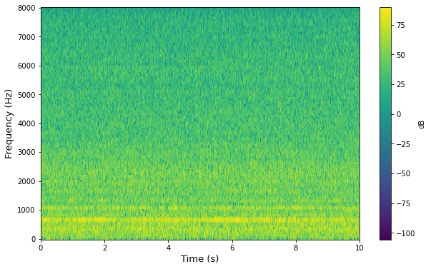
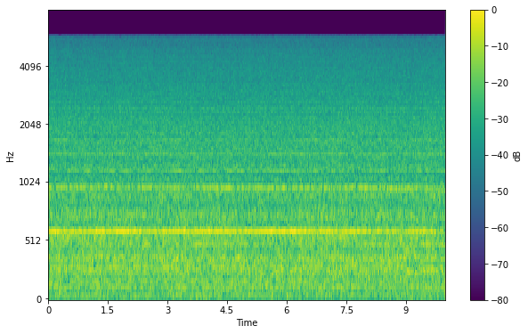
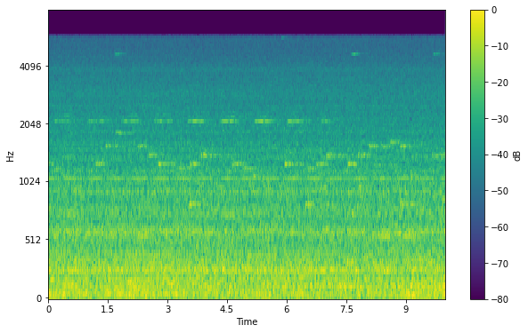
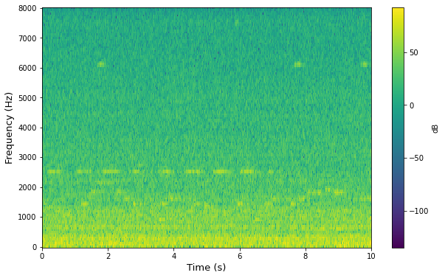
STFT
Mel-spectrogram
Normal
Abnormal
Normal
Abnormal
 | MIMII baseline model | GFCC + CNN | Mel_spectogram + CNN | MFCC + CNN | STFT + CNN
Valve | 0.61 | 0.64 | 0.72 | 0.73 | 0.84
Pump | 0.72 | 0.93 | 0.90 | 0.96 | 0.96
Fan | 0.79 | 0.94 | 0.93 | 0.98 | 0.97
Slide rail | 0.79 | 0.88 | 0.88 | 0.97 | 0.97
 | MIMII baseline model | GFCC + CNN | Mel_spectogram + CNN | MFCC + CNN | STFT + CNN
Valve | 0.61 | 0.69 | 0.77 | 0.78 | 0.87
Pump | 0.72 | 0.95 | 0.91 | 0.98 | 0.97
Fan | 0.79 | 0.96 | 0.94 | 0.99 | 0.97
Slide rail | 0.79 | 0.91 | 0.89 | 0.98 | 0.97
 | MIMII baseline model | GFCC + CNN | Mel_spectogram + CNN | MFCC + CNN | STFT + CNN
Valve | 0.61 | 0.60 | 0.68 | 0.65 | 0.79
Pump | 0.72 | 0.87 | 0.83 | 0.88 | 0.95
Fan | 0.79 | 0.90 | 0.92 | 0.95 | 0.95
Slide rail | 0.79 | 0.83 | 0.86 | 0.91 | 0.93
 | MIMII baseline model | GFCC + CNN | Mel_spectogram + CNN | MFCC + CNN | STFT + CNN
Valve | 0.61 | 0.68 | 0.75 | 0.77 | 0.86
Pump | 0.72 | 0.95 | 0.91 | 0.97 | 0.96
Fan | 0.79 | 0.96 | 0.94 | 0.99 | 0.97
Slide rail | 0.79 | 0.90 | 0.88 | 0.97 | 0.96

In some(but limited) cases, we can inspect the abnormal condition visually in the graph.
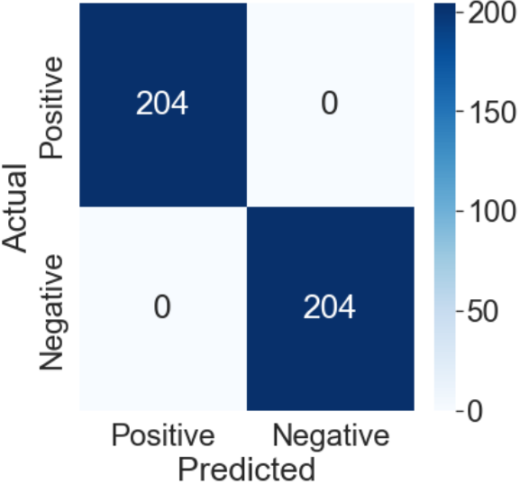
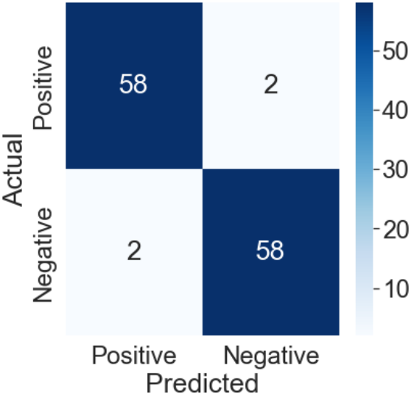
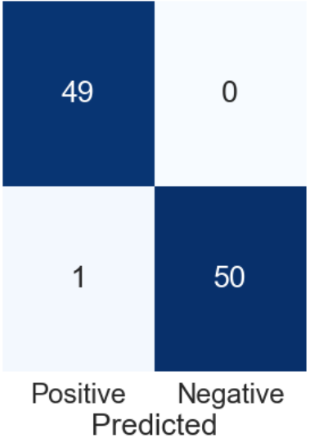
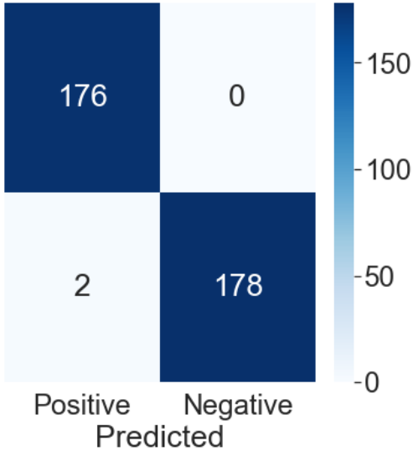
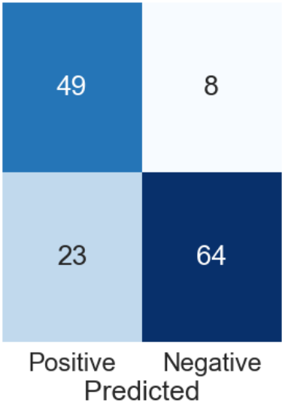
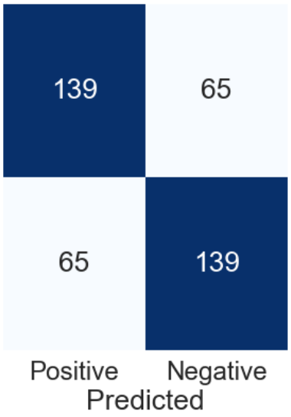
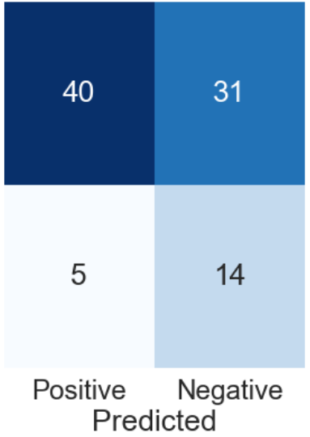
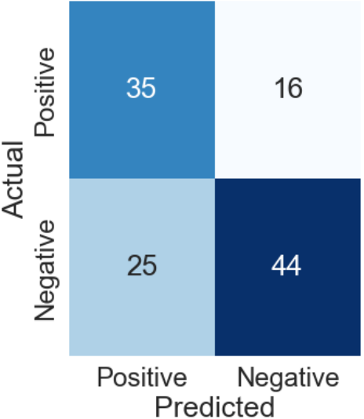
6_dB_fan/id_00
0_dB_pump/id_02
6_dB_valve/id_00
a)
6_dB_slider/id_00
-6_dB_fan/id_00
-6_dB_pump/id_00
-6_dB_slider/id_06
-6_dB_valve/id_06
b)

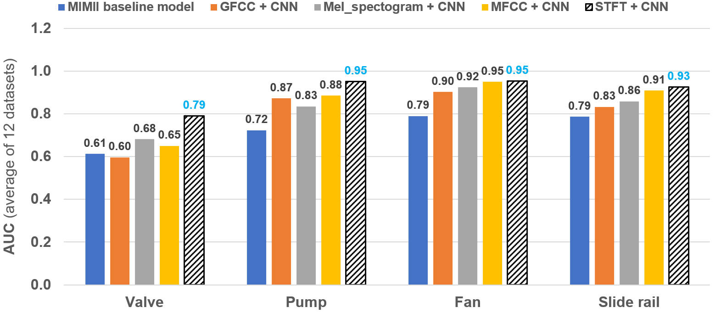
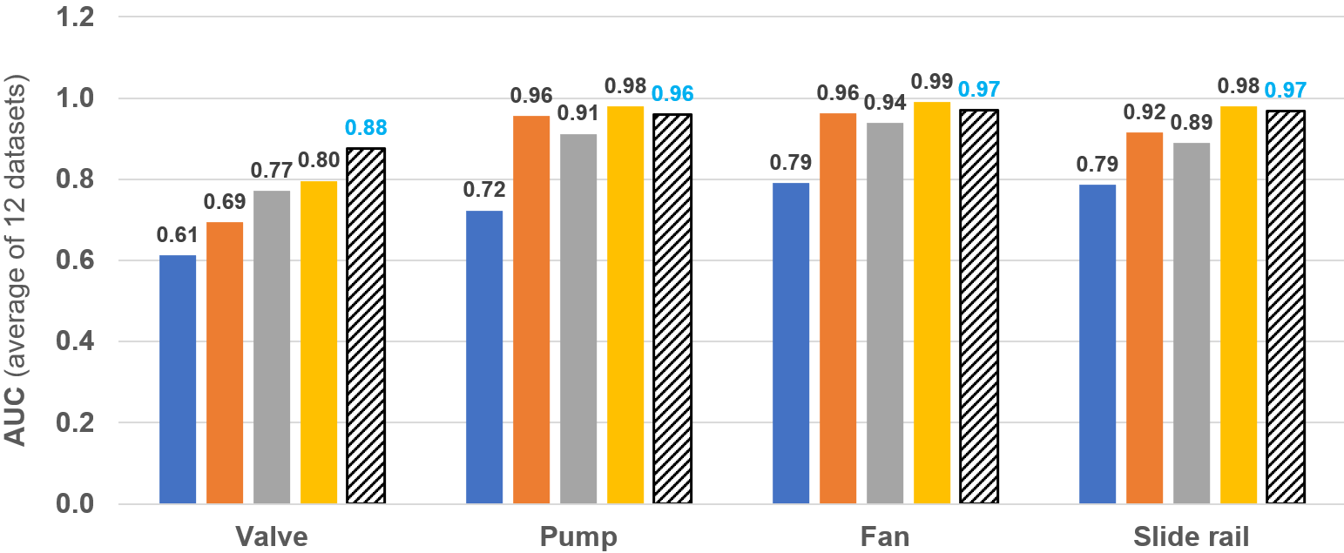
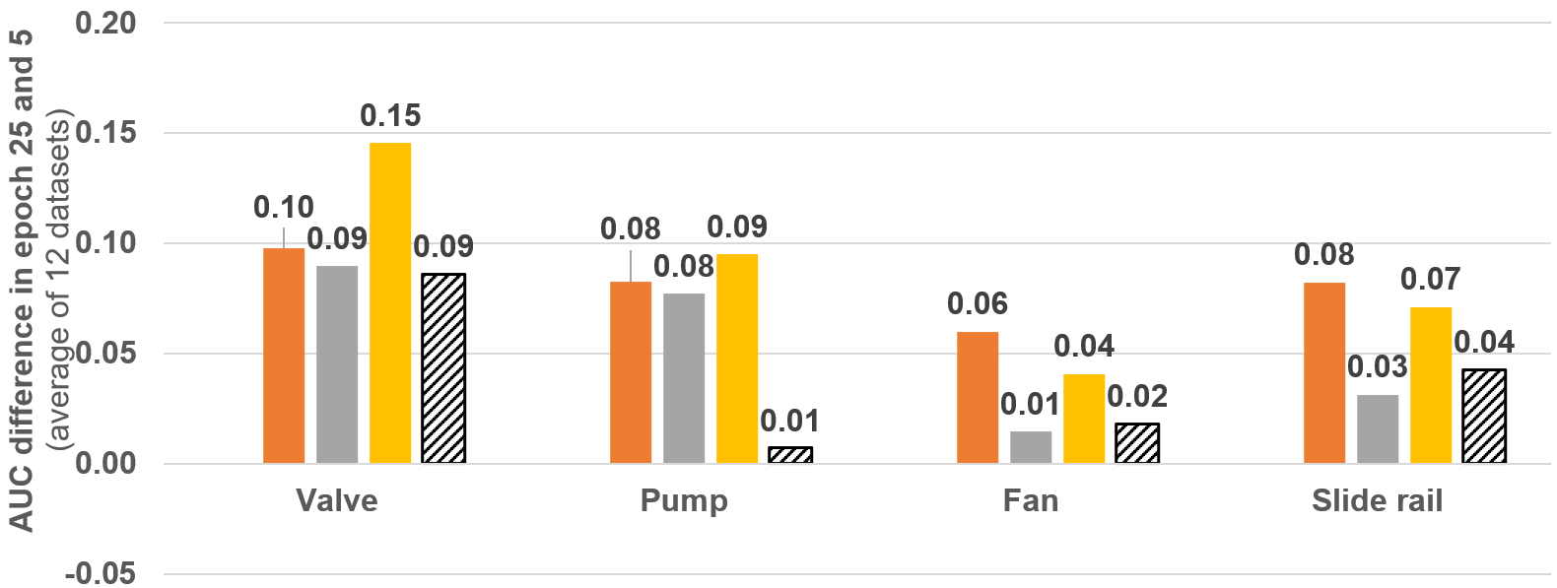
Epoch = 5
Epoch = 25
Difference = Epoch 25 – Epoch 5

This figure shows the predicted values [0,1] by the CNN model(red circles) with the true values(blue small circles). In this figure, we can see the distribution of the results visually, and which threshold is appropriate for the classification.

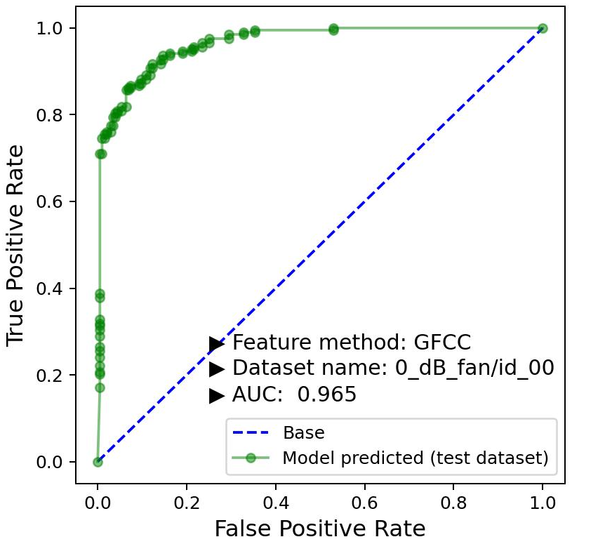
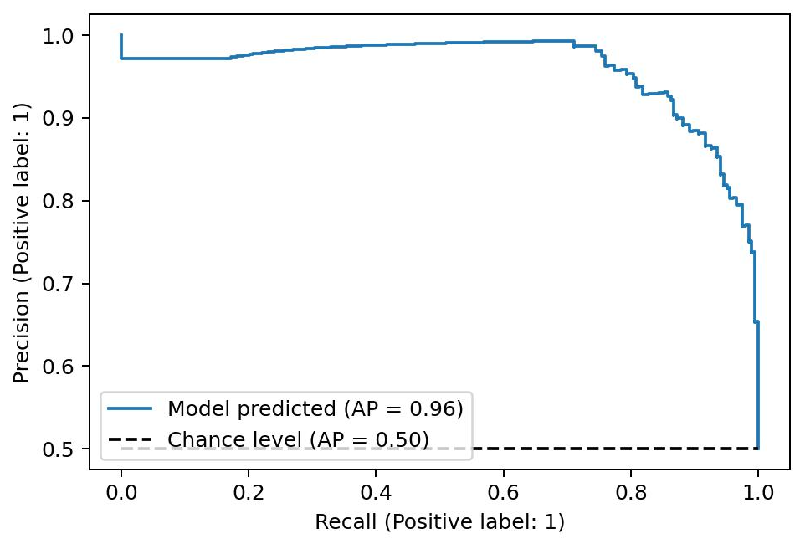

Abnormal data
Normal data
N
N + alpha
Original
dataset
For specific
Machins type,
IDs, SNRs
Sampled
dataset
N
N
Splitted dataset
(train:test = 0.5:0.5)
Random
sampling
0.5 N
0.5 N
0.5 N
0.5 N
Final dataset
(Normal:Abnormal = 0.5:0.5
in both train and test dataset)
0.5 N
0.5 N
0.5 N
0.5 N
Train dataset
Test dataset
N: number of the abnormal audio samples
Random sampling
Labeling
0
0
1
1

C

Graph_epoch=5
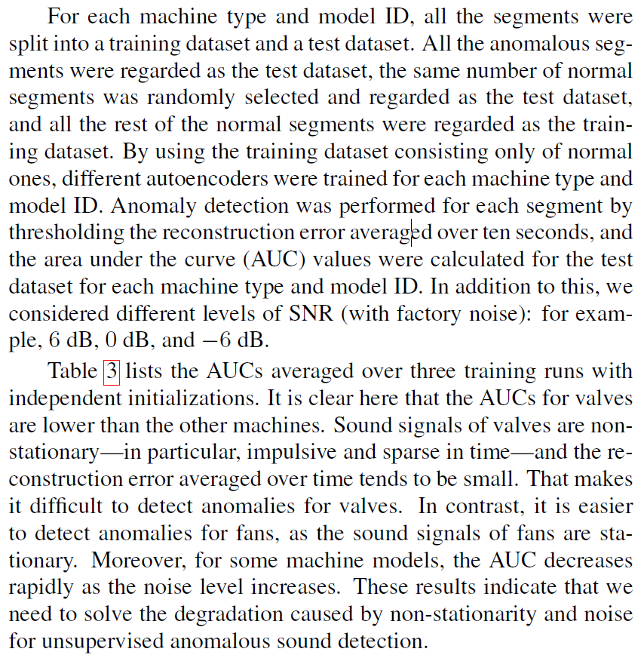
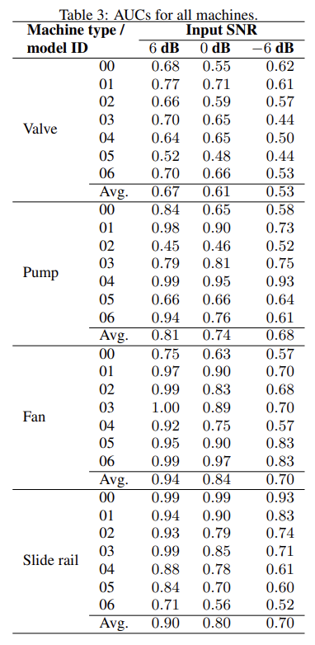
AUC results using the supervised CNN model with different feature extraction methods (STFT, MFCC, GFCC, Mel-spectrogram)

Epoch 5 Training using the individual dataset → Test results(AUC) for the individual dataset
Machine type | Model ID | Previous MIMII paper |  |  | MFCC + CNN |  |  | GFCC + CNN |  |  | STFT + CNN |  |  | Mel_spectrogram + CNN |  |  |  | MIMII baseline model | GFCC + CNN | Mel_spectogram + CNN | MFCC + CNN | STFT + CNN
 |  | Input SNR |  |  | Input SNR |  |  | Input SNR |  |  | Input SNR |  |  | Input SNR |  |  | Valve | 0.61 | 0.60 | 0.68 | 0.65 | 0.79
 |  | 6 dB | 0 dB | -6 dB | 6 dB | 0 dB | -6 dB | 6 dB | 0 dB | -6 dB | 6 dB | 0 dB | -6 dB | 6 dB | 0 dB | -6 dB | Pump | 0.72 | 0.87 | 0.83 | 0.88 | 0.95
Valve | 00 | 0.68 | 0.55 | 0.62 | 0.80 | 0.62 | 0.44 | 0.86 | 0.66 | 0.65 | 0.98 | 0.93 | 0.81 | 0.88 | 0.56 | 0.47 | Fan | 0.79 | 0.90 | 0.92 | 0.95 | 0.95
 | 02 | 0.66 | 0.59 | 0.57 | 0.75 | 0.62 | 0.61 | 0.58 | 0.54 | 0.50 | 0.91 | 0.86 | 0.76 | 0.98 | 0.72 | 0.50 | Slide rail | 0.79 | 0.83 | 0.86 | 0.91 | 0.93
 | 04 | 0.64 | 0.65 | 0.50 | 0.76 | 0.71 | 0.57 | 0.64 | 0.60 | 0.52 | 0.87 | 0.77 | 0.56 | 0.96 | 0.87 | 0.59
 | 06 | 0.70 | 0.66 | 0.53 | 0.70 | 0.64 | 0.57 | 0.58 | 0.53 | 0.49 | 0.78 | 0.62 | 0.62 | 0.56 | 0.52 | 0.56
 | Avg. | 0.67 | 0.61 | 0.55 | 0.75 | 0.65 | 0.55 | 0.66 | 0.58 | 0.54 | 0.88 | 0.80 | 0.69 | 0.84 | 0.67 | 0.53
Pump | 00 | 0.84 | 0.65 | 0.58 | 0.98 | 0.88 | 0.78 | 0.92 | 0.87 | 0.81 | 0.96 | 0.91 | 0.82 | 0.94 | 0.85 | 0.82
 | 02 | 0.45 | 0.46 | 0.52 | 1.00 | 0.85 | 0.30 | 0.78 | 0.69 | 0.73 | 1.00 | 0.96 | 0.98 | 0.67 | 0.58 | 0.74
 | 04 | 0.99 | 0.95 | 0.93 | 1.00 | 1.00 | 0.99 | 1.00 | 1.00 | 0.97 | 1.00 | 1.00 | 0.98 | 0.96 | 0.94 | 0.72
 | 06 | 0.94 | 0.76 | 0.61 | 1.00 | 0.98 | 0.86 | 1.00 | 0.93 | 0.79 | 1.00 | 0.97 | 0.85 | 0.99 | 0.98 | 0.84
 | Avg. | 0.81 | 0.71 | 0.66 | 0.99 | 0.93 | 0.73 | 0.92 | 0.87 | 0.82 | 0.99 | 0.96 | 0.91 | 0.89 | 0.84 | 0.78
Fan | 00 | 0.75 | 0.63 | 0.57 | 1.00 | 0.99 | 0.82 | 0.90 | 0.74 | 0.73 | 1.00 | 0.95 | 0.70 | 0.99 | 0.82 | 0.71
 | 02 | 0.99 | 0.83 | 0.68 | 1.00 | 1.00 | 0.96 | 0.99 | 0.93 | 0.79 | 1.00 | 1.00 | 0.90 | 1.00 | 0.94 | 0.72
 | 04 | 0.92 | 0.75 | 0.57 | 1.00 | 1.00 | 0.90 | 1.00 | 0.99 | 0.79 | 1.00 | 1.00 | 0.89 | 1.00 | 1.00 | 0.92
 | 06 | 0.99 | 0.97 | 0.83 | 1.00 | 0.93 | 0.78 | 1.00 | 1.00 | 0.99 | 1.00 | 1.00 | 1.00 | 1.00 | 1.00 | 0.99
 | Avg. | 0.91 | 0.79 | 0.66 | 1.00 | 0.98 | 0.87 | 0.97 | 0.91 | 0.82 | 1.00 | 0.99 | 0.87 | 1.00 | 0.94 | 0.83
Slide rail | 00 | 0.99 | 0.99 | 0.93 | 1.00 | 1.00 | 0.99 | 1.00 | 1.00 | 0.98 | 1.00 | 1.00 | 0.98 | 1.00 | 1.00 | 1.00
 | 02 | 0.93 | 0.79 | 0.74 | 0.97 | 0.95 | 0.87 | 0.96 | 0.92 | 0.85 | 1.00 | 0.95 | 0.87 | 1.00 | 0.86 | 0.57
 | 04 | 0.88 | 0.78 | 0.61 | 1.00 | 0.96 | 0.94 | 0.97 | 0.85 | 0.83 | 1.00 | 1.00 | 0.99 | 0.96 | 0.75 | 0.61
 | 06 | 0.71 | 0.56 | 0.52 | 0.92 | 0.77 | 0.52 | 0.60 | 0.63 | 0.40 | 0.94 | 0.95 | 0.44 | 1.00 | 0.94 | 0.63
 | Avg. | 0.88 | 0.78 | 0.70 | 0.97 | 0.92 | 0.83 | 0.88 | 0.85 | 0.76 | 0.98 | 0.97 | 0.82 | 0.99 | 0.88 | 0.70

Graph_epoch=10
AUC results using the supervised CNN model with different feature extraction methods (STFT, MFCC, GFCC, Mel-spectrogram)

Epoch 10 Training using the individual dataset → Test results(AUC) for the individual dataset
Machine type | Model ID | Previous MIMII paper |  |  | MFCC + CNN |  |  | GFCC + CNN |  |  | STFT + CNN |  |  | Mel_spectrogram + CNN |  |  |  | MIMII baseline model | GFCC + CNN | Mel_spectogram + CNN | MFCC + CNN | STFT + CNN
 |  | Input SNR |  |  | Input SNR |  |  | Input SNR |  |  | Input SNR |  |  | Input SNR |  |  | Valve | 0.61 | 0.64 | 0.72 | 0.73 | 0.84
 |  | 6 dB | 0 dB | -6 dB | 6 dB | 0 dB | -6 dB | 6 dB | 0 dB | -6 dB | 6 dB | 0 dB | -6 dB | 6 dB | 0 dB | -6 dB | Pump | 0.72 | 0.93 | 0.90 | 0.96 | 0.96
Valve | 00 | 0.68 | 0.55 | 0.62 | 0.83 | 0.70 | 0.65 | 0.84 | 0.78 | 0.66 | 1.00 | 0.94 | 0.88 | 0.86 | 0.72 | 0.54 | Fan | 0.79 | 0.94 | 0.93 | 0.98 | 0.97
 | 02 | 0.66 | 0.59 | 0.57 | 0.88 | 0.63 | 0.66 | 0.58 | 0.54 | 0.53 | 0.91 | 0.86 | 0.67 | 0.99 | 0.77 | 0.72 | Slide rail | 0.79 | 0.88 | 0.88 | 0.97 | 0.97
 | 04 | 0.64 | 0.65 | 0.50 | 0.84 | 0.83 | 0.60 | 0.66 | 0.68 | 0.54 | 0.90 | 0.86 | 0.76 | 0.96 | 0.88 | 0.61
 | 06 | 0.70 | 0.66 | 0.53 | 0.83 | 0.69 | 0.61 | 0.77 | 0.56 | 0.58 | 0.83 | 0.77 | 0.68 | 0.58 | 0.52 | 0.54
 | Avg. | 0.67 | 0.61 | 0.55 | 0.85 | 0.71 | 0.63 | 0.71 | 0.64 | 0.58 | 0.91 | 0.86 | 0.75 | 0.85 | 0.72 | 0.61
Pump | 00 | 0.84 | 0.65 | 0.58 | 0.99 | 0.95 | 0.80 | 0.96 | 0.92 | 0.82 | 0.98 | 0.92 | 0.80 | 0.98 | 0.88 | 0.82
 | 02 | 0.45 | 0.46 | 0.52 | 1.00 | 0.93 | 0.88 | 0.98 | 0.89 | 0.78 | 0.99 | 1.00 | 0.95 | 0.93 | 0.79 | 0.87
 | 04 | 0.99 | 0.95 | 0.93 | 1.00 | 1.00 | 0.99 | 1.00 | 1.00 | 0.97 | 1.00 | 1.00 | 0.96 | 0.96 | 0.94 | 0.79
 | 06 | 0.94 | 0.76 | 0.61 | 1.00 | 0.99 | 0.98 | 1.00 | 0.98 | 0.89 | 1.00 | 0.98 | 0.91 | 0.99 | 0.98 | 0.89
 | Avg. | 0.81 | 0.71 | 0.66 | 1.00 | 0.96 | 0.91 | 0.99 | 0.95 | 0.87 | 0.99 | 0.98 | 0.90 | 0.97 | 0.90 | 0.84
Fan | 00 | 0.75 | 0.63 | 0.57 | 1.00 | 1.00 | 0.91 | 1.00 | 0.88 | 0.74 | 1.00 | 0.96 | 0.74 | 1.00 | 0.91 | 0.68
 | 02 | 0.99 | 0.83 | 0.68 | 1.00 | 1.00 | 0.97 | 1.00 | 0.97 | 0.85 | 1.00 | 1.00 | 0.93 | 1.00 | 0.96 | 0.72
 | 04 | 0.92 | 0.75 | 0.57 | 1.00 | 1.00 | 0.99 | 1.00 | 1.00 | 0.91 | 1.00 | 1.00 | 0.96 | 1.00 | 1.00 | 0.93
 | 06 | 0.99 | 0.97 | 0.83 | 1.00 | 1.00 | 0.90 | 1.00 | 1.00 | 0.99 | 1.00 | 1.00 | 1.00 | 1.00 | 1.00 | 0.99
 | Avg. | 0.91 | 0.79 | 0.66 | 1.00 | 1.00 | 0.94 | 1.00 | 0.96 | 0.87 | 1.00 | 0.99 | 0.91 | 1.00 | 0.97 | 0.83
Slide rail | 00 | 0.99 | 0.99 | 0.93 | 1.00 | 1.00 | 1.00 | 1.00 | 1.00 | 0.99 | 1.00 | 1.00 | 0.98 | 1.00 | 1.00 | 1.00
 | 02 | 0.93 | 0.79 | 0.74 | 1.00 | 0.99 | 0.93 | 0.99 | 0.95 | 0.90 | 1.00 | 0.97 | 0.89 | 1.00 | 0.94 | 0.61
 | 04 | 0.88 | 0.78 | 0.61 | 1.00 | 1.00 | 1.00 | 1.00 | 0.95 | 0.89 | 1.00 | 1.00 | 1.00 | 0.99 | 0.79 | 0.57
 | 06 | 0.71 | 0.56 | 0.52 | 1.00 | 0.88 | 0.80 | 0.80 | 0.64 | 0.49 | 1.00 | 0.99 | 0.82 | 1.00 | 0.92 | 0.69
 | Avg. | 0.88 | 0.78 | 0.70 | 1.00 | 0.97 | 0.93 | 0.95 | 0.89 | 0.82 | 1.00 | 0.99 | 0.92 | 1.00 | 0.91 | 0.72

Graph_epoch=15
AUC results using the supervised CNN model with different feature extraction methods (STFT, MFCC, GFCC, Mel-spectrogram)

Epoch 15 Training using the individual dataset → Test results(AUC) for the individual dataset
Machine type | Model ID | Previous MIMII paper |  |  | MFCC + CNN |  |  | GFCC + CNN |  |  | STFT + CNN |  |  | Mel_spectrogram + CNN |  |  |  | MIMII baseline model | GFCC + CNN | Mel_spectogram + CNN | MFCC + CNN | STFT + CNN
 |  | Input SNR |  |  | Input SNR |  |  | Input SNR |  |  | Input SNR |  |  | Input SNR |  |  | Valve | 0.61 | 0.68 | 0.75 | 0.77 | 0.86
 |  | 6 dB | 0 dB | -6 dB | 6 dB | 0 dB | -6 dB | 6 dB | 0 dB | -6 dB | 6 dB | 0 dB | -6 dB | 6 dB | 0 dB | -6 dB | Pump | 0.72 | 0.95 | 0.91 | 0.97 | 0.96
Valve | 00 | 0.68 | 0.55 | 0.62 | 0.82 | 0.75 | 0.71 | 0.87 | 0.78 | 0.71 | 1.00 | 0.93 | 0.89 | 0.92 | 0.79 | 0.50 | Fan | 0.79 | 0.96 | 0.94 | 0.99 | 0.97
 | 02 | 0.66 | 0.59 | 0.57 | 0.91 | 0.66 | 0.72 | 0.59 | 0.54 | 0.53 | 0.93 | 0.86 | 0.73 | 1.00 | 0.79 | 0.79 | Slide rail | 0.79 | 0.90 | 0.88 | 0.97 | 0.96
 | 04 | 0.64 | 0.65 | 0.50 | 0.91 | 0.85 | 0.61 | 0.72 | 0.69 | 0.55 | 0.91 | 0.91 | 0.78 | 0.97 | 0.89 | 0.62
 | 06 | 0.70 | 0.66 | 0.53 | 0.87 | 0.73 | 0.68 | 0.85 | 0.67 | 0.62 | 0.90 | 0.77 | 0.71 | 0.62 | 0.50 | 0.64
 | Avg. | 0.67 | 0.61 | 0.55 | 0.88 | 0.75 | 0.68 | 0.76 | 0.67 | 0.60 | 0.93 | 0.87 | 0.78 | 0.87 | 0.74 | 0.64
Pump | 00 | 0.84 | 0.65 | 0.58 | 1.00 | 0.97 | 0.82 | 0.98 | 0.91 | 0.81 | 0.98 | 0.93 | 0.80 | 0.99 | 0.92 | 0.80
 | 02 | 0.45 | 0.46 | 0.52 | 1.00 | 0.98 | 0.95 | 0.99 | 0.96 | 0.85 | 1.00 | 1.00 | 0.96 | 0.95 | 0.80 | 0.90
 | 04 | 0.99 | 0.95 | 0.93 | 1.00 | 1.00 | 0.99 | 1.00 | 1.00 | 0.98 | 1.00 | 1.00 | 0.97 | 0.96 | 0.94 | 0.79
 | 06 | 0.94 | 0.76 | 0.61 | 1.00 | 0.99 | 0.99 | 1.00 | 0.98 | 0.89 | 1.00 | 0.98 | 0.94 | 0.99 | 0.98 | 0.91
 | Avg. | 0.81 | 0.71 | 0.66 | 1.00 | 0.99 | 0.94 | 0.99 | 0.96 | 0.88 | 1.00 | 0.98 | 0.92 | 0.97 | 0.91 | 0.85
Fan | 00 | 0.75 | 0.63 | 0.57 | 1.00 | 1.00 | 0.91 | 1.00 | 0.94 | 0.75 | 1.00 | 0.98 | 0.75 | 1.00 | 0.92 | 0.70
 | 02 | 0.99 | 0.83 | 0.68 | 1.00 | 1.00 | 0.98 | 1.00 | 0.99 | 0.87 | 1.00 | 1.00 | 0.95 | 1.00 | 0.96 | 0.72
 | 04 | 0.92 | 0.75 | 0.57 | 1.00 | 1.00 | 0.99 | 1.00 | 1.00 | 0.94 | 1.00 | 1.00 | 0.97 | 1.00 | 1.00 | 0.94
 | 06 | 0.99 | 0.97 | 0.83 | 1.00 | 1.00 | 1.00 | 1.00 | 1.00 | 0.99 | 1.00 | 0.99 | 1.00 | 1.00 | 1.00 | 1.00
 | Avg. | 0.91 | 0.79 | 0.66 | 1.00 | 1.00 | 0.97 | 1.00 | 0.98 | 0.89 | 1.00 | 0.99 | 0.91 | 1.00 | 0.97 | 0.84
Slide rail | 00 | 0.99 | 0.99 | 0.93 | 1.00 | 1.00 | 1.00 | 1.00 | 1.00 | 1.00 | 1.00 | 1.00 | 0.99 | 1.00 | 1.00 | 1.00
 | 02 | 0.93 | 0.79 | 0.74 | 1.00 | 1.00 | 0.94 | 0.99 | 0.96 | 0.90 | 1.00 | 0.98 | 0.90 | 1.00 | 0.95 | 0.62
 | 04 | 0.88 | 0.78 | 0.61 | 1.00 | 1.00 | 1.00 | 1.00 | 0.96 | 0.94 | 1.00 | 1.00 | 0.99 | 1.00 | 0.82 | 0.60
 | 06 | 0.71 | 0.56 | 0.52 | 1.00 | 0.95 | 0.80 | 0.84 | 0.73 | 0.54 | 1.00 | 0.96 | 0.75 | 1.00 | 0.92 | 0.69
 | Avg. | 0.88 | 0.78 | 0.70 | 1.00 | 0.99 | 0.93 | 0.96 | 0.91 | 0.84 | 1.00 | 0.98 | 0.91 | 1.00 | 0.92 | 0.73

Graph_epoch=20
AUC results using the supervised CNN model with different feature extraction methods (STFT, MFCC, GFCC, Mel-spectrogram)

Epoch 20 Training using the individual dataset → Test results(AUC) for the individual dataset
Machine type | Model ID | Previous MIMII paper |  |  | MFCC + CNN |  |  | GFCC + CNN |  |  | STFT + CNN |  |  | Mel_spectrogram + CNN |  |  |  | MIMII baseline model | GFCC + CNN | Mel_spectogram + CNN | MFCC + CNN | STFT + CNN
 |  | Input SNR |  |  | Input SNR |  |  | Input SNR |  |  | Input SNR |  |  | Input SNR |  |  | Valve | 0.61 | 0.69 | 0.77 | 0.78 | 0.87
 |  | 6 dB | 0 dB | -6 dB | 6 dB | 0 dB | -6 dB | 6 dB | 0 dB | -6 dB | 6 dB | 0 dB | -6 dB | 6 dB | 0 dB | -6 dB | Pump | 0.72 | 0.95 | 0.91 | 0.98 | 0.97
Valve | 00 | 0.68 | 0.55 | 0.62 | 0.85 | 0.78 | 0.72 | 0.87 | 0.79 | 0.71 | 1.00 | 0.93 | 0.89 | 0.91 | 0.83 | 0.58 | Fan | 0.79 | 0.96 | 0.94 | 0.99 | 0.97
 | 02 | 0.66 | 0.59 | 0.57 | 0.92 | 0.71 | 0.74 | 0.61 | 0.55 | 0.54 | 0.92 | 0.86 | 0.90 | 0.99 | 0.78 | 0.81 | Slide rail | 0.79 | 0.91 | 0.89 | 0.98 | 0.97
 | 04 | 0.64 | 0.65 | 0.50 | 0.93 | 0.84 | 0.63 | 0.73 | 0.69 | 0.57 | 0.91 | 0.91 | 0.78 | 0.97 | 0.91 | 0.62
 | 06 | 0.70 | 0.66 | 0.53 | 0.88 | 0.75 | 0.67 | 0.86 | 0.69 | 0.65 | 0.90 | 0.77 | 0.70 | 0.64 | 0.52 | 0.65
 | Avg. | 0.67 | 0.61 | 0.55 | 0.89 | 0.77 | 0.69 | 0.77 | 0.68 | 0.62 | 0.93 | 0.87 | 0.82 | 0.88 | 0.76 | 0.66
Pump | 00 | 0.84 | 0.65 | 0.58 | 1.00 | 0.97 | 0.83 | 0.99 | 0.91 | 0.81 | 0.98 | 0.93 | 0.81 | 0.99 | 0.90 | 0.77
 | 02 | 0.45 | 0.46 | 0.52 | 1.00 | 1.00 | 0.98 | 0.99 | 0.98 | 0.88 | 1.00 | 1.00 | 1.00 | 0.96 | 0.80 | 0.90
 | 04 | 0.99 | 0.95 | 0.93 | 1.00 | 1.00 | 0.99 | 1.00 | 1.00 | 0.98 | 1.00 | 1.00 | 0.97 | 0.95 | 0.94 | 0.82
 | 06 | 0.94 | 0.76 | 0.61 | 1.00 | 0.99 | 0.99 | 0.99 | 0.99 | 0.91 | 1.00 | 1.00 | 0.94 | 1.00 | 0.98 | 0.89
 | Avg. | 0.81 | 0.71 | 0.66 | 1.00 | 0.99 | 0.95 | 0.99 | 0.97 | 0.90 | 1.00 | 0.98 | 0.93 | 0.98 | 0.91 | 0.85
Fan | 00 | 0.75 | 0.63 | 0.57 | 1.00 | 1.00 | 0.91 | 1.00 | 0.96 | 0.77 | 1.00 | 0.98 | 0.75 | 1.00 | 0.93 | 0.70
 | 02 | 0.99 | 0.83 | 0.68 | 1.00 | 1.00 | 0.98 | 1.00 | 0.99 | 0.86 | 1.00 | 1.00 | 0.95 | 1.00 | 0.97 | 0.73
 | 04 | 0.92 | 0.75 | 0.57 | 1.00 | 1.00 | 0.99 | 1.00 | 1.00 | 0.95 | 1.00 | 1.00 | 0.97 | 1.00 | 1.00 | 0.94
 | 06 | 0.99 | 0.97 | 0.83 | 1.00 | 1.00 | 1.00 | 1.00 | 1.00 | 0.99 | 1.00 | 0.99 | 1.00 | 1.00 | 1.00 | 1.00
 | Avg. | 0.91 | 0.79 | 0.66 | 1.00 | 1.00 | 0.97 | 1.00 | 0.99 | 0.89 | 1.00 | 0.99 | 0.92 | 1.00 | 0.97 | 0.84
Slide rail | 00 | 0.99 | 0.99 | 0.93 | 1.00 | 1.00 | 1.00 | 1.00 | 1.00 | 1.00 | 1.00 | 1.00 | 0.99 | 1.00 | 1.00 | 1.00
 | 02 | 0.93 | 0.79 | 0.74 | 1.00 | 1.00 | 0.95 | 1.00 | 0.97 | 0.90 | 1.00 | 0.98 | 0.90 | 1.00 | 0.95 | 0.63
 | 04 | 0.88 | 0.78 | 0.61 | 1.00 | 1.00 | 1.00 | 1.00 | 0.97 | 0.93 | 1.00 | 1.00 | 0.99 | 1.00 | 0.84 | 0.60
 | 06 | 0.71 | 0.56 | 0.52 | 1.00 | 0.96 | 0.81 | 0.90 | 0.73 | 0.56 | 1.00 | 0.96 | 0.78 | 1.00 | 0.94 | 0.70
 | Avg. | 0.88 | 0.78 | 0.70 | 1.00 | 0.99 | 0.94 | 0.97 | 0.92 | 0.85 | 1.00 | 0.99 | 0.92 | 1.00 | 0.93 | 0.73

Graph_epoch=25
AUC results using the supervised CNN model with different feature extraction methods (STFT, MFCC, GFCC, Mel-spectrogram)

Epoch 25 Training using the individual dataset → Test results(AUC) for the individual dataset
Machine type | Model ID | Previous MIMII paper |  |  | MFCC + CNN |  |  | GFCC + CNN |  |  | STFT + CNN |  |  | Mel_spectrogram + CNN |  |  |  | MIMII baseline model | GFCC + CNN | Mel_spectogram + CNN | MFCC + CNN | STFT + CNN
 |  | Input SNR |  |  | Input SNR |  |  | Input SNR |  |  | Input SNR |  |  | Input SNR |  |  | Valve | 0.61 | 0.69 | 0.77 | 0.80 | 0.88
 |  | 6 dB | 0 dB | -6 dB | 6 dB | 0 dB | -6 dB | 6 dB | 0 dB | -6 dB | 6 dB | 0 dB | -6 dB | 6 dB | 0 dB | -6 dB | Pump | 0.72 | 0.96 | 0.91 | 0.98 | 0.96
Valve | 00 | 0.68 | 0.55 | 0.62 | 0.88 | 0.78 | 0.71 | 0.87 | 0.79 | 0.71 | 1.00 | 0.93 | 0.89 | 0.93 | 0.84 | 0.59 | Fan | 0.79 | 0.96 | 0.94 | 0.99 | 0.97
 | 02 | 0.66 | 0.59 | 0.57 | 0.92 | 0.77 | 0.75 | 0.61 | 0.57 | 0.55 | 0.92 | 0.86 | 0.96 | 0.99 | 0.78 | 0.82 | Slide rail | 0.79 | 0.92 | 0.89 | 0.98 | 0.97
 | 04 | 0.64 | 0.65 | 0.50 | 0.94 | 0.85 | 0.63 | 0.73 | 0.69 | 0.58 | 0.91 | 0.90 | 0.78 | 0.96 | 0.91 | 0.62
 | 06 | 0.70 | 0.66 | 0.53 | 0.89 | 0.76 | 0.66 | 0.85 | 0.71 | 0.66 | 0.90 | 0.77 | 0.70 | 0.68 | 0.52 | 0.63
 | Avg. | 0.67 | 0.61 | 0.55 | 0.91 | 0.79 | 0.69 | 0.77 | 0.69 | 0.63 | 0.93 | 0.86 | 0.83 | 0.89 | 0.76 | 0.66 |  | MIMII baseline model | GFCC + CNN | Mel_spectogram + CNN | MFCC + CNN | STFT + CNN
Pump | 00 | 0.84 | 0.65 | 0.58 | 1.00 | 0.97 | 0.83 | 0.99 | 0.91 | 0.82 | 0.98 | 0.93 | 0.81 | 0.99 | 0.89 | 0.77 | Valve | 0.6125 | 0.59613425926 | 0.68166666667 | 0.65011574074 | 0.79002314815
 | 02 | 0.45 | 0.46 | 0.52 | 1.00 | 1.00 | 0.99 | 0.99 | 0.98 | 0.90 | 1.00 | 1.00 | 0.89 | 0.97 | 0.81 | 0.90 | Pump | 0.72333333333 | 0.87282441944 | 0.83459879065 | 0.88458625328 | 0.95174090427
 | 04 | 0.99 | 0.95 | 0.93 | 1.00 | 1.00 | 0.99 | 1.00 | 1.00 | 0.98 | 1.00 | 1.00 | 0.97 | 0.96 | 0.95 | 0.82 | Fan | 0.79 | 0.90252510051 | 0.92360140359 | 0.94940938113 | 0.95252482032
 | 06 | 0.94 | 0.76 | 0.61 | 1.00 | 0.99 | 0.98 | 1.00 | 0.99 | 0.90 | 1.00 | 1.00 | 0.94 | 1.00 | 0.98 | 0.90 | Slide rail | 0.78583333333 | 0.8326857129 | 0.85840732181 | 0.90826401065 | 0.92615671415
 | Avg. | 0.81 | 0.71 | 0.66 | 1.00 | 0.99 | 0.95 | 1.00 | 0.97 | 0.90 | 1.00 | 0.98 | 0.90 | 0.98 | 0.91 | 0.85
Fan | 00 | 0.75 | 0.63 | 0.57 | 1.00 | 1.00 | 0.91 | 1.00 | 0.96 | 0.78 | 1.00 | 0.98 | 0.75 | 1.00 | 0.92 | 0.70 | difference
 | 02 | 0.99 | 0.83 | 0.68 | 1.00 | 1.00 | 0.98 | 1.00 | 0.99 | 0.88 | 1.00 | 1.00 | 0.96 | 1.00 | 0.97 | 0.73 |  | MIMII baseline model | GFCC + CNN | Mel_spectogram + CNN | MFCC + CNN | STFT + CNN
 | 04 | 0.92 | 0.75 | 0.57 | 1.00 | 1.00 | 0.99 | 1.00 | 1.00 | 0.95 | 1.00 | 1.00 | 0.97 | 1.00 | 1.00 | 0.94 | Valve | 0.00 | 0.10 | 0.09 | 0.15 | 0.09
 | 06 | 0.99 | 0.97 | 0.83 | 1.00 | 1.00 | 1.00 | 1.00 | 1.00 | 0.99 | 1.00 | 0.99 | 1.00 | 1.00 | 1.00 | 1.00 | Pump | 0.00 | 0.08 | 0.08 | 0.09 | 0.01
 | Avg. | 0.91 | 0.79 | 0.66 | 1.00 | 1.00 | 0.97 | 1.00 | 0.99 | 0.90 | 1.00 | 0.99 | 0.92 | 1.00 | 0.97 | 0.84 | Fan | 0.00 | 0.06 | 0.01 | 0.04 | 0.02
Slide rail | 00 | 0.99 | 0.99 | 0.93 | 1.00 | 1.00 | 1.00 | 1.00 | 1.00 | 1.00 | 1.00 | 1.00 | 0.99 | 1.00 | 1.00 | 1.00 | Slide rail | 0.00 | 0.08 | 0.03 | 0.07 | 0.04
 | 02 | 0.93 | 0.79 | 0.74 | 1.00 | 1.00 | 0.95 | 1.00 | 0.97 | 0.91 | 1.00 | 0.98 | 0.90 | 1.00 | 0.95 | 0.63
 | 04 | 0.88 | 0.78 | 0.61 | 1.00 | 1.00 | 1.00 | 1.00 | 0.97 | 0.94 | 1.00 | 1.00 | 0.99 | 1.00 | 0.84 | 0.61
 | 06 | 0.71 | 0.56 | 0.52 | 1.00 | 0.99 | 0.82 | 0.90 | 0.74 | 0.56 | 1.00 | 0.97 | 0.79 | 1.00 | 0.94 | 0.71
 | Avg. | 0.88 | 0.78 | 0.70 | 1.00 | 1.00 | 0.94 | 0.97 | 0.92 | 0.85 | 1.00 | 0.99 | 0.92 | 1.00 | 0.93 | 0.74

Graph_epoch=30
AUC results using the supervised CNN model with different feature extraction methods (STFT, MFCC, GFCC, Mel-spectrogram)

Epoch 30 Training using the individual dataset → Test results(AUC) for the individual dataset
Machine type | Model ID | Previous MIMII paper |  |  | MFCC + CNN |  |  | GFCC + CNN |  |  | STFT + CNN |  |  | Mel_spectrogram + CNN |  |  |  | MIMII baseline model | GFCC + CNN | Mel_spectogram + CNN | MFCC + CNN | STFT + CNN
 |  | Input SNR |  |  | Input SNR |  |  | Input SNR |  |  | Input SNR |  |  | Input SNR |  |  | Valve | 0.61 | 0.69 | 0.77 | 0.80 | 0.88
 |  | 6 dB | 0 dB | -6 dB | 6 dB | 0 dB | -6 dB | 6 dB | 0 dB | -6 dB | 6 dB | 0 dB | -6 dB | 6 dB | 0 dB | -6 dB | Pump | 0.72 | 0.95 | 0.91 | 0.98 | 0.97
Valve | 00 | 0.68 | 0.55 | 0.62 | 0.88 | 0.79 | 0.72 | 0.87 | 0.79 | 0.71 | 1.00 | 0.93 | 0.89 | 0.94 | 0.84 | 0.60 | Fan | 0.79 | 0.96 | 0.94 | 0.99 | 0.97
 | 02 | 0.66 | 0.59 | 0.57 | 0.93 | 0.80 | 0.76 | 0.62 | 0.56 | 0.56 | 0.92 | 0.86 | 0.97 | 0.99 | 0.78 | 0.82 | Slide rail | 0.79 | 0.92 | 0.89 | 0.98 | 0.97
 | 04 | 0.64 | 0.65 | 0.50 | 0.94 | 0.85 | 0.63 | 0.73 | 0.69 | 0.58 | 0.91 | 0.90 | 0.78 | 0.97 | 0.90 | 0.62
 | 06 | 0.70 | 0.66 | 0.53 | 0.89 | 0.76 | 0.68 | 0.85 | 0.70 | 0.65 | 0.90 | 0.77 | 0.70 | 0.69 | 0.52 | 0.63
 | Avg. | 0.67 | 0.61 | 0.55 | 0.91 | 0.80 | 0.70 | 0.77 | 0.68 | 0.63 | 0.93 | 0.86 | 0.84 | 0.90 | 0.76 | 0.67
Pump | 00 | 0.84 | 0.65 | 0.58 | 1.00 | 0.97 | 0.83 | 0.99 | 0.92 | 0.82 | 0.98 | 0.93 | 0.81 | 0.99 | 0.89 | 0.77
 | 02 | 0.45 | 0.46 | 0.52 | 1.00 | 1.00 | 0.99 | 0.99 | 0.98 | 0.88 | 1.00 | 1.00 | 0.97 | 0.96 | 0.81 | 0.91
 | 04 | 0.99 | 0.95 | 0.93 | 1.00 | 1.00 | 0.99 | 1.00 | 1.00 | 0.98 | 1.00 | 1.00 | 0.97 | 0.96 | 0.94 | 0.82
 | 06 | 0.94 | 0.76 | 0.61 | 1.00 | 0.99 | 0.98 | 1.00 | 0.99 | 0.91 | 1.00 | 1.00 | 0.94 | 1.00 | 0.97 | 0.90
 | Avg. | 0.81 | 0.71 | 0.66 | 1.00 | 0.99 | 0.95 | 1.00 | 0.97 | 0.90 | 1.00 | 0.98 | 0.92 | 0.98 | 0.91 | 0.85
Fan | 00 | 0.75 | 0.63 | 0.57 | 1.00 | 1.00 | 0.91 | 1.00 | 0.96 | 0.78 | 1.00 | 0.98 | 0.75 | 1.00 | 0.92 | 0.70
 | 02 | 0.99 | 0.83 | 0.68 | 1.00 | 1.00 | 0.98 | 1.00 | 0.99 | 0.88 | 1.00 | 1.00 | 0.96 | 1.00 | 0.97 | 0.73
 | 04 | 0.92 | 0.75 | 0.57 | 1.00 | 1.00 | 0.99 | 1.00 | 1.00 | 0.95 | 1.00 | 1.00 | 0.97 | 1.00 | 1.00 | 0.94
 | 06 | 0.99 | 0.97 | 0.83 | 1.00 | 1.00 | 1.00 | 1.00 | 1.00 | 0.99 | 1.00 | 0.99 | 1.00 | 1.00 | 1.00 | 1.00
 | Avg. | 0.91 | 0.79 | 0.66 | 1.00 | 1.00 | 0.97 | 1.00 | 0.99 | 0.90 | 1.00 | 0.99 | 0.92 | 1.00 | 0.97 | 0.84
Slide rail | 00 | 0.99 | 0.99 | 0.93 | 1.00 | 1.00 | 1.00 | 1.00 | 1.00 | 1.00 | 1.00 | 1.00 | 0.99 | 1.00 | 1.00 | 1.00
 | 02 | 0.93 | 0.79 | 0.74 | 1.00 | 1.00 | 0.96 | 1.00 | 0.97 | 0.91 | 1.00 | 0.98 | 0.90 | 1.00 | 0.95 | 0.63
 | 04 | 0.88 | 0.78 | 0.61 | 1.00 | 1.00 | 1.00 | 1.00 | 0.97 | 0.94 | 1.00 | 1.00 | 0.99 | 1.00 | 0.85 | 0.62
 | 06 | 0.71 | 0.56 | 0.52 | 1.00 | 0.99 | 0.83 | 0.91 | 0.75 | 0.56 | 1.00 | 0.97 | 0.80 | 1.00 | 0.93 | 0.71
 | Avg. | 0.88 | 0.78 | 0.70 | 1.00 | 1.00 | 0.95 | 0.98 | 0.92 | 0.85 | 1.00 | 0.99 | 0.92 | 1.00 | 0.93 | 0.74

Graph_epoch=35
AUC results using the supervised CNN model with different feature extraction methods (STFT, MFCC, GFCC, Mel-spectrogram)

Epoch 35 Training using the individual dataset → Test results(AUC) for the individual dataset
Machine type | Model ID | Previous MIMII paper |  |  | MFCC + CNN |  |  | GFCC + CNN |  |  | STFT + CNN |  |  | Mel_spectrogram + CNN |  |  |  | MIMII baseline model | GFCC + CNN | Mel_spectogram + CNN | MFCC + CNN | STFT + CNN
 |  | Input SNR |  |  | Input SNR |  |  | Input SNR |  |  | Input SNR |  |  | Input SNR |  |  | Valve | 0.61 | 0.69 | 0.78 | 0.80 | 0.88
 |  | 6 dB | 0 dB | -6 dB | 6 dB | 0 dB | -6 dB | 6 dB | 0 dB | -6 dB | 6 dB | 0 dB | -6 dB | 6 dB | 0 dB | -6 dB | Pump | 0.72 | 0.95 | 0.91 | 0.98 | 0.96
Valve | 00 | 0.68 | 0.55 | 0.62 | 0.88 | 0.79 | 0.72 | 0.87 | 0.79 | 0.72 | 1.00 | 0.93 | 0.90 | 0.95 | 0.84 | 0.60 | Fan | 0.79 | 0.96 | 0.94 | 0.99 | 0.97
 | 02 | 0.66 | 0.59 | 0.57 | 0.93 | 0.81 | 0.76 | 0.62 | 0.56 | 0.55 | 0.92 | 0.86 | 0.97 | 0.99 | 0.78 | 0.82 | Slide rail | 0.79 | 0.92 | 0.89 | 0.98 | 0.97
 | 04 | 0.64 | 0.65 | 0.50 | 0.94 | 0.85 | 0.63 | 0.73 | 0.69 | 0.59 | 0.91 | 0.90 | 0.78 | 0.97 | 0.90 | 0.62
 | 06 | 0.70 | 0.66 | 0.53 | 0.89 | 0.76 | 0.68 | 0.85 | 0.69 | 0.66 | 0.90 | 0.77 | 0.70 | 0.69 | 0.52 | 0.63
 | Avg. | 0.67 | 0.61 | 0.55 | 0.91 | 0.80 | 0.70 | 0.77 | 0.68 | 0.63 | 0.93 | 0.86 | 0.84 | 0.90 | 0.76 | 0.67
Pump | 00 | 0.84 | 0.65 | 0.58 | 1.00 | 0.98 | 0.83 | 0.99 | 0.92 | 0.82 | 0.98 | 0.93 | 0.81 | 0.99 | 0.89 | 0.77
 | 02 | 0.45 | 0.46 | 0.52 | 1.00 | 1.00 | 0.99 | 0.99 | 0.98 | 0.88 | 1.00 | 1.00 | 0.91 | 0.96 | 0.82 | 0.91
 | 04 | 0.99 | 0.95 | 0.93 | 1.00 | 1.00 | 0.99 | 1.00 | 1.00 | 0.98 | 1.00 | 1.00 | 0.97 | 0.97 | 0.95 | 0.82
 | 06 | 0.94 | 0.76 | 0.61 | 1.00 | 0.99 | 0.98 | 0.99 | 0.99 | 0.91 | 1.00 | 1.00 | 0.94 | 1.00 | 0.97 | 0.90
 | Avg. | 0.81 | 0.71 | 0.66 | 1.00 | 0.99 | 0.95 | 0.99 | 0.97 | 0.90 | 1.00 | 0.98 | 0.91 | 0.98 | 0.91 | 0.85
Fan | 00 | 0.75 | 0.63 | 0.57 | 1.00 | 1.00 | 0.91 | 1.00 | 0.96 | 0.78 | 1.00 | 0.98 | 0.75 | 1.00 | 0.93 | 0.70
 | 02 | 0.99 | 0.83 | 0.68 | 1.00 | 1.00 | 0.98 | 1.00 | 0.99 | 0.88 | 1.00 | 1.00 | 0.96 | 1.00 | 0.97 | 0.73
 | 04 | 0.92 | 0.75 | 0.57 | 1.00 | 1.00 | 0.99 | 1.00 | 1.00 | 0.95 | 1.00 | 1.00 | 0.97 | 1.00 | 1.00 | 0.94
 | 06 | 0.99 | 0.97 | 0.83 | 1.00 | 1.00 | 1.00 | 1.00 | 1.00 | 0.99 | 1.00 | 0.99 | 1.00 | 1.00 | 1.00 | 1.00
 | Avg. | 0.91 | 0.79 | 0.66 | 1.00 | 1.00 | 0.97 | 1.00 | 0.99 | 0.90 | 1.00 | 0.99 | 0.92 | 1.00 | 0.97 | 0.84
Slide rail | 00 | 0.99 | 0.99 | 0.93 | 1.00 | 1.00 | 1.00 | 1.00 | 1.00 | 1.00 | 1.00 | 1.00 | 0.99 | 1.00 | 1.00 | 1.00
 | 02 | 0.93 | 0.79 | 0.74 | 1.00 | 1.00 | 0.96 | 1.00 | 0.97 | 0.91 | 1.00 | 0.98 | 0.90 | 1.00 | 0.95 | 0.63
 | 04 | 0.88 | 0.78 | 0.61 | 1.00 | 1.00 | 1.00 | 1.00 | 0.97 | 0.94 | 1.00 | 1.00 | 0.99 | 1.00 | 0.85 | 0.62
 | 06 | 0.71 | 0.56 | 0.52 | 1.00 | 0.99 | 0.83 | 0.91 | 0.75 | 0.56 | 1.00 | 0.97 | 0.81 | 1.00 | 0.94 | 0.71
 | Avg. | 0.88 | 0.78 | 0.70 | 1.00 | 1.00 | 0.95 | 0.98 | 0.92 | 0.85 | 1.00 | 0.99 | 0.92 | 1.00 | 0.94 | 0.74

Graph_epoch=40
AUC results using the supervised CNN model with different feature extraction methods (STFT, MFCC, GFCC, Mel-spectrogram)

Epoch 40 Training using the individual dataset → Test results(AUC) for the individual dataset
Machine type | Model ID | Previous MIMII paper |  |  | MFCC + CNN |  |  | GFCC + CNN |  |  | STFT + CNN |  |  | Mel_spectrogram + CNN |  |  |  | MIMII baseline model | GFCC + CNN | Mel_spectogram + CNN | MFCC + CNN | STFT + CNN
 |  | Input SNR |  |  | Input SNR |  |  | Input SNR |  |  | Input SNR |  |  | Input SNR |  |  | Valve | 0.61 | 0.69 | 0.78 | 0.81 | 0.88
 |  | 6 dB | 0 dB | -6 dB | 6 dB | 0 dB | -6 dB | 6 dB | 0 dB | -6 dB | 6 dB | 0 dB | -6 dB | 6 dB | 0 dB | -6 dB | Pump | 0.72 | 0.96 | 0.91 | 0.98 | 0.96
Valve | 00 | 0.68 | 0.55 | 0.62 | 0.89 | 0.79 | 0.72 | 0.87 | 0.79 | 0.72 | 1.00 | 0.93 | 0.89 | 0.95 | 0.84 | 0.60 | Fan | 0.79 | 0.96 | 0.94 | 0.99 | 0.97
 | 02 | 0.66 | 0.59 | 0.57 | 0.93 | 0.81 | 0.76 | 0.61 | 0.56 | 0.56 | 0.92 | 0.86 | 0.97 | 0.99 | 0.78 | 0.81 | Slide rail | 0.79 | 0.92 | 0.89 | 0.98 | 0.97
 | 04 | 0.64 | 0.65 | 0.50 | 0.94 | 0.85 | 0.64 | 0.73 | 0.69 | 0.59 | 0.91 | 0.90 | 0.78 | 0.97 | 0.90 | 0.62
 | 06 | 0.70 | 0.66 | 0.53 | 0.89 | 0.76 | 0.68 | 0.85 | 0.69 | 0.66 | 0.90 | 0.77 | 0.70 | 0.69 | 0.52 | 0.63
 | Avg. | 0.67 | 0.61 | 0.55 | 0.91 | 0.80 | 0.70 | 0.77 | 0.68 | 0.63 | 0.93 | 0.86 | 0.84 | 0.90 | 0.76 | 0.67
Pump | 00 | 0.84 | 0.65 | 0.58 | 1.00 | 0.98 | 0.83 | 0.99 | 0.92 | 0.82 | 0.98 | 0.93 | 0.81 | 0.99 | 0.89 | 0.77
 | 02 | 0.45 | 0.46 | 0.52 | 1.00 | 1.00 | 0.99 | 0.99 | 0.98 | 0.87 | 1.00 | 1.00 | 0.95 | 0.95 | 0.81 | 0.91
 | 04 | 0.99 | 0.95 | 0.93 | 1.00 | 1.00 | 0.99 | 1.00 | 1.00 | 0.98 | 1.00 | 1.00 | 0.97 | 0.97 | 0.95 | 0.82
 | 06 | 0.94 | 0.76 | 0.61 | 1.00 | 0.99 | 0.98 | 1.00 | 0.99 | 0.91 | 1.00 | 1.00 | 0.94 | 1.00 | 0.97 | 0.90
 | Avg. | 0.81 | 0.71 | 0.66 | 1.00 | 0.99 | 0.95 | 1.00 | 0.97 | 0.90 | 1.00 | 0.98 | 0.92 | 0.98 | 0.91 | 0.85
Fan | 00 | 0.75 | 0.63 | 0.57 | 1.00 | 1.00 | 0.91 | 1.00 | 0.97 | 0.78 | 1.00 | 0.98 | 0.75 | 1.00 | 0.93 | 0.70
 | 02 | 0.99 | 0.83 | 0.68 | 1.00 | 1.00 | 0.98 | 1.00 | 0.99 | 0.88 | 1.00 | 1.00 | 0.96 | 1.00 | 0.97 | 0.73
 | 04 | 0.92 | 0.75 | 0.57 | 1.00 | 1.00 | 0.99 | 1.00 | 1.00 | 0.95 | 1.00 | 1.00 | 0.97 | 1.00 | 1.00 | 0.94
 | 06 | 0.99 | 0.97 | 0.83 | 1.00 | 1.00 | 1.00 | 1.00 | 1.00 | 0.99 | 1.00 | 0.99 | 1.00 | 1.00 | 1.00 | 1.00
 | Avg. | 0.91 | 0.79 | 0.66 | 1.00 | 1.00 | 0.97 | 1.00 | 0.99 | 0.90 | 1.00 | 0.99 | 0.92 | 1.00 | 0.97 | 0.84
Slide rail | 00 | 0.99 | 0.99 | 0.93 | 1.00 | 1.00 | 1.00 | 1.00 | 1.00 | 1.00 | 1.00 | 1.00 | 0.99 | 1.00 | 1.00 | 1.00
 | 02 | 0.93 | 0.79 | 0.74 | 1.00 | 1.00 | 0.96 | 1.00 | 0.97 | 0.91 | 1.00 | 0.98 | 0.90 | 1.00 | 0.95 | 0.63
 | 04 | 0.88 | 0.78 | 0.61 | 1.00 | 1.00 | 1.00 | 1.00 | 0.98 | 0.94 | 1.00 | 1.00 | 0.99 | 1.00 | 0.85 | 0.63
 | 06 | 0.71 | 0.56 | 0.52 | 1.00 | 0.99 | 0.83 | 0.91 | 0.75 | 0.56 | 1.00 | 0.97 | 0.81 | 1.00 | 0.94 | 0.71
 | Avg. | 0.88 | 0.78 | 0.70 | 1.00 | 1.00 | 0.95 | 0.98 | 0.92 | 0.85 | 1.00 | 0.99 | 0.92 | 1.00 | 0.94 | 0.74

Accuracy_test
Test dataset
Method | Dataset | No | 5 | 10 | 15 | 20 | 25 | 30 | 35 | 40
MFCC | Slider rail | 1 | 0.93539327383 | 0.97752809525 | 0.98314607143 | 0.98033708334 | 0.98033708334 | 0.98033708334 | 0.98314607143 | 0.98033708334
 |  | 2 | 0.824626863 | 0.84328359365 | 0.83208954334 | 0.87686568499 | 0.86567163467 | 0.87686568499 | 0.87686568499 | 0.88432836533
 |  | 3 | 0.5 | 0.97752809525 | 0.98314607143 | 0.99438202381 | 0.99438202381 | 0.99438202381 | 0.99438202381 | 0.99438202381
 |  | 4 | 0.5 | 0.51111114025 | 0.64444446564 | 0.69999998808 | 0.66666668653 | 0.75555557013 | 0.76666665077 | 0.78888887167
 |  | 5 | 0.98876404762 | 0.99438202381 | 0.99438202381 | 0.99438202381 | 0.99438202381 | 0.99438202381 | 0.99438202381 | 0.99438202381
 |  | 6 | 0.86194032431 | 0.96641790867 | 0.97014927864 | 0.97014927864 | 0.97761195898 | 0.97761195898 | 0.97761195898 | 0.98134326935
 |  | 7 | 0.8988764286 | 0.99438202381 | 0.99438202381 | 0.99438202381 | 1 | 1 | 1 | 1
 |  | 8 | 0.5 | 0.5 | 0.72222220898 | 0.83333331347 | 0.87777775526 | 0.98888885975 | 0.98888885975 | 0.98888885975
 |  | 9 | 0.98876404762 | 0.99157303572 | 0.99157303572 | 0.99157303572 | 0.99157303572 | 0.99157303572 | 0.99157303572 | 0.99157303572
 |  | 10 | 0.86194032431 | 0.98880594969 | 0.99253731966 | 0.99253731966 | 0.99626863003 | 0.99626863003 | 0.99626863003 | 0.99626863003
 |  | 11 | 1 | 1 | 1 | 1 | 1 | 1 | 1 | 1
 |  | 12 | 0.58888888359 | 0.67777776718 | 0.67777776718 | 0.64444446564 | 0.83333331347 | 0.9555555582 | 0.91111111641 | 0.93333333731
 | Fan | 1 | 0.625 | 0.82107841969 | 0.82598036528 | 0.85784316063 | 0.84313726425 | 0.8725489974 | 0.86274510622 | 0.86029410362
 |  | 2 | 0.7722222209 | 0.94999998808 | 0.94999998808 | 0.94722223282 | 0.94722223282 | 0.94444441795 | 0.94444441795 | 0.94444441795
 |  | 3 | 0.83333331347 | 0.9454023242 | 0.96551722288 | 0.96264368296 | 0.96839082241 | 0.96839082241 | 0.96264368296 | 0.96264368296
 |  | 4 | 0.5 | 0.78453040123 | 0.90055251122 | 0.98066300154 | 0.97790056467 | 0.95027625561 | 0.97237569094 | 0.98618781567
 |  | 5 | 0.92647057772 | 0.98039215803 | 0.97794115543 | 0.97794115543 | 0.97794115543 | 0.97794115543 | 0.98284316063 | 0.98284316063
 |  | 6 | 0.99166667461 | 0.99444442987 | 0.99444442987 | 0.99444442987 | 0.99444442987 | 0.99722224474 | 0.99722224474 | 0.99444442987
 |  | 7 | 0.98850572109 | 0.99712646008 | 0.99712646008 | 0.99712646008 | 0.99712646008 | 0.99712646008 | 0.99712646008 | 0.99712646008
 |  | 8 | 0.5 | 0.99447512627 | 0.99447512627 | 0.99447512627 | 0.99447512627 | 0.99447512627 | 0.99447512627 | 0.99447512627
 |  | 9 | 1 | 1 | 1 | 1 | 1 | 1 | 1 | 1
 |  | 10 | 0.98333334923 | 1 | 1 | 1 | 1 | 1 | 1 | 1
 |  | 11 | 0.5 | 1 | 1 | 1 | 1 | 1 | 1 | 1
 |  | 12 | 0.5 | 0.9834254384 | 1 | 0.99447512627 | 0.98066300154 | 0.98066300154 | 0.98895025253 | 0.98066300154
 | Valve | 1 | 0.5 | 0.55833333731 | 0.51666665077 | 0.55000001192 | 0.71666663885 | 0.71666663885 | 0.71666663885 | 0.74166667461
 |  | 2 | 0.5 | 0.55833333731 | 0.63333332539 | 0.67500001192 | 0.66666668653 | 0.69166666269 | 0.65833336115 | 0.68333333731
 |  | 3 | 0.50833332539 | 0.55833333731 | 0.57499998808 | 0.59166663885 | 0.57499998808 | 0.56666666269 | 0.56666666269 | 0.56666666269
 |  | 4 | 0.5 | 0.51666665077 | 0.63333332539 | 0.64999997616 | 0.625 | 0.66666668653 | 0.65833336115 | 0.65833336115
 |  | 5 | 0.54166668653 | 0.55000001192 | 0.63333332539 | 0.71666663885 | 0.70833331347 | 0.71666663885 | 0.70833331347 | 0.73333334923
 |  | 6 | 0.54166668653 | 0.58333331347 | 0.625 | 0.67500001192 | 0.65833336115 | 0.70833331347 | 0.72500002384 | 0.72500002384
 |  | 7 | 0.54166668653 | 0.60000002384 | 0.65833336115 | 0.77499997616 | 0.77499997616 | 0.77499997616 | 0.77499997616 | 0.76666665077
 |  | 8 | 0.61666667461 | 0.625 | 0.68333333731 | 0.63333332539 | 0.69999998808 | 0.70833331347 | 0.70833331347 | 0.69166666269
 |  | 9 | 0.5 | 0.5 | 0.5 | 0.75 | 0.80000001192 | 0.81666666269 | 0.84166663885 | 0.83333331347
 |  | 10 | 0.59166663885 | 0.80000001192 | 0.85000002384 | 0.86666667461 | 0.86666667461 | 0.86666667461 | 0.86666667461 | 0.86666667461
 |  | 11 | 0.61666667461 | 0.67500001192 | 0.64166665077 | 0.85833334923 | 0.88333332539 | 0.88333332539 | 0.86666667461 | 0.89166665077
 |  | 12 | 0.64166665077 | 0.74166667461 | 0.77499997616 | 0.77499997616 | 0.77499997616 | 0.78333336115 | 0.80000001192 | 0.79166668653
 | Pump | 1 | 0.60416668653 | 0.77777779102 | 0.80555558205 | 0.77083331347 | 0.75694441795 | 0.75694441795 | 0.76388889551 | 0.75694441795
 |  | 2 | 0.5 | 0.75892859697 | 0.80357140303 | 0.91071426868 | 0.9375 | 0.95535713434 | 0.96428573132 | 0.95535713434
 |  | 3 | 0.92000001669 | 0.93000000715 | 0.94999998808 | 0.93999999762 | 0.94999998808 | 0.94999998808 | 0.94999998808 | 0.94999998808
 |  | 4 | 0.6274510026 | 0.97058820724 | 0.97058820724 | 0.97058820724 | 0.98039215803 | 0.97058820724 | 0.97058820724 | 0.97058820724
 |  | 5 | 0.80555558205 | 0.89583331347 | 0.90277779102 | 0.90277779102 | 0.90972220898 | 0.90972220898 | 0.92361110449 | 0.91666668653
 |  | 6 | 0.5 | 0.8125 | 0.80357140303 | 0.84821426868 | 0.92857140303 | 0.94642859697 | 0.96428573132 | 0.94642859697
 |  | 7 | 0.94999998808 | 0.97000002861 | 0.99000000954 | 0.99000000954 | 1 | 0.99000000954 | 0.99000000954 | 0.99000000954
 |  | 8 | 0.86274510622 | 0.99019604921 | 0.98039215803 | 0.99019604921 | 0.99019604921 | 0.99019604921 | 0.99019604921 | 0.99019604921
 |  | 9 | 0.93055558205 | 0.97222220898 | 0.97222220898 | 0.95138889551 | 0.98611110449 | 0.97916668653 | 0.97222220898 | 0.97222220898
 |  | 10 | 0.53571426868 | 1 | 1 | 1 | 0.99107140303 | 1 | 1 | 1
 |  | 11 | 0.98000001907 | 0.99000000954 | 0.99000000954 | 0.99000000954 | 0.99000000954 | 0.99000000954 | 0.99000000954 | 0.99000000954
 |  | 12 | 0.99019604921 | 0.99019604921 | 0.99019604921 | 0.99019604921 | 0.99019604921 | 0.99019604921 | 0.99019604921 | 0.99019604921
STFT | Slider rail | 1 | 0.94382023811 | 0.95505619049 | 0.96067416668 | 0.95786517859 | 0.95786517859 | 0.95786517859 | 0.95786517859 | 0.95786517859
 |  | 2 | 0.80223882198 | 0.78358209133 | 0.79477614164 | 0.7873134613 | 0.79104477167 | 0.79104477167 | 0.79477614164 | 0.79850745201
 |  | 3 | 0.95505619049 | 0.98314607143 | 0.98876404762 | 0.98876404762 | 0.98876404762 | 0.98876404762 | 0.98876404762 | 0.98876404762
 |  | 4 | 0.4555555582 | 0.64444446564 | 0.65555554628 | 0.69999998808 | 0.71111112833 | 0.73333334923 | 0.74444442987 | 0.73333334923
 |  | 5 | 0.97191011906 | 0.98314607143 | 0.98876404762 | 0.98595505953 | 0.98876404762 | 0.98876404762 | 0.98876404762 | 0.98876404762
 |  | 6 | 0.88059699535 | 0.78358209133 | 0.92910450697 | 0.92910450697 | 0.92910450697 | 0.925373137 | 0.92910450697 | 0.93283581734
 |  | 7 | 0.97752809525 | 0.98876404762 | 0.97752809525 | 0.98876404762 | 0.98876404762 | 0.98876404762 | 0.98876404762 | 0.98876404762
 |  | 8 | 0.89999997616 | 0.96666663885 | 0.80000001192 | 0.80000001192 | 0.80000001192 | 0.83333331347 | 0.83333331347 | 0.83333331347
 |  | 9 | 0.98033708334 | 0.98876404762 | 0.98876404762 | 0.98876404762 | 0.99157303572 | 0.99157303572 | 0.99157303572 | 0.99157303572
 |  | 10 | 0.97388058901 | 0.97388058901 | 0.96641790867 | 0.97388058901 | 0.97388058901 | 0.97388058901 | 0.97388058901 | 0.97388058901
 |  | 11 | 1 | 1 | 1 | 1 | 1 | 1 | 1 | 1
 |  | 12 | 0.77777779102 | 0.98888885975 | 0.98888885975 | 0.9777777791 | 0.98888885975 | 0.98888885975 | 0.98888885975 | 0.98888885975
 | Fan | 1 | 0.58333331347 | 0.69117647409 | 0.67647057772 | 0.69117647409 | 0.68137252331 | 0.67156863213 | 0.67156863213 | 0.68137252331
 |  | 2 | 0.60833334923 | 0.89166665077 | 0.84166663885 | 0.92222219706 | 0.9194444418 | 0.92777776718 | 0.93055558205 | 0.93055558205
 |  | 3 | 0.81609195471 | 0.91091954708 | 0.93103450537 | 0.93390804529 | 0.93390804529 | 0.93678158522 | 0.93965518475 | 0.93678158522
 |  | 4 | 0.9751381278 | 0.97237569094 | 0.97237569094 | 0.9751381278 | 0.97790056467 | 0.97237569094 | 0.9751381278 | 0.97237569094
 |  | 5 | 0.89705884457 | 0.92401963472 | 0.9387254715 | 0.9387254715 | 0.9387254715 | 0.9387254715 | 0.9387254715 | 0.9387254715
 |  | 6 | 0.94999998808 | 0.96944445372 | 0.98333334923 | 0.98611110449 | 0.98611110449 | 0.98611110449 | 0.98611110449 | 0.98888885975
 |  | 7 | 0.97988504171 | 0.99137932062 | 0.97988504171 | 0.98275864124 | 0.98275864124 | 0.98275864124 | 0.98275864124 | 0.98275864124
 |  | 8 | 0.89226520061 | 0.9668508172 | 0.98066300154 | 0.98066300154 | 0.97790056467 | 0.98066300154 | 0.98066300154 | 0.98066300154
 |  | 9 | 0.9975489974 | 1 | 1 | 1 | 1 | 1 | 1 | 1
 |  | 10 | 0.9555555582 | 1 | 1 | 1 | 1 | 1 | 1 | 1
 |  | 11 | 1 | 1 | 1 | 1 | 1 | 1 | 1 | 1
 |  | 12 | 0.99447512627 | 0.99447512627 | 0.99447512627 | 0.99447512627 | 0.99447512627 | 0.99447512627 | 0.99447512627 | 0.99447512627
 | Valve | 1 | 0.74166667461 | 0.75 | 0.77499997616 | 0.78333336115 | 0.78333336115 | 0.79166668653 | 0.79166668653 | 0.80000001192
 |  | 2 | 0.57499998808 | 0.55000001192 | 0.63333332539 | 0.80000001192 | 0.85000002384 | 0.86666667461 | 0.875 | 0.86666667461
 |  | 3 | 0.5 | 0.68333333731 | 0.70833331347 | 0.69999998808 | 0.69999998808 | 0.69999998808 | 0.69999998808 | 0.69999998808
 |  | 4 | 0.50833332539 | 0.57499998808 | 0.66666668653 | 0.65833336115 | 0.65833336115 | 0.65833336115 | 0.65833336115 | 0.65833336115
 |  | 5 | 0.86666667461 | 0.91666668653 | 0.89166665077 | 0.89166665077 | 0.88333332539 | 0.88333332539 | 0.875 | 0.875
 |  | 6 | 0.79166668653 | 0.81666666269 | 0.80000001192 | 0.80833333731 | 0.80833333731 | 0.80833333731 | 0.80833333731 | 0.80833333731
 |  | 7 | 0.58333331347 | 0.78333336115 | 0.84166663885 | 0.83333331347 | 0.83333331347 | 0.83333331347 | 0.83333331347 | 0.83333331347
 |  | 8 | 0.58333331347 | 0.67500001192 | 0.72500002384 | 0.71666663885 | 0.71666663885 | 0.71666663885 | 0.72500002384 | 0.73333334923
 |  | 9 | 0.95833331347 | 0.95833331347 | 0.96666663885 | 0.96666663885 | 0.96666663885 | 0.96666663885 | 0.96666663885 | 0.96666663885
 |  | 10 | 0.78333336115 | 0.81666666269 | 0.85833334923 | 0.86666667461 | 0.86666667461 | 0.86666667461 | 0.86666667461 | 0.86666667461
 |  | 11 | 0.79166668653 | 0.83333331347 | 0.85000002384 | 0.85000002384 | 0.85833334923 | 0.85833334923 | 0.86666667461 | 0.86666667461
 |  | 12 | 0.63333332539 | 0.69166666269 | 0.73333334923 | 0.74166667461 | 0.73333334923 | 0.73333334923 | 0.73333334923 | 0.73333334923
 | Pump | 1 | 0.73611110449 | 0.77777779102 | 0.74305558205 | 0.76388889551 | 0.78472220898 | 0.78472220898 | 0.78472220898 | 0.78472220898
 |  | 2 | 0.95535713434 | 0.88392859697 | 0.96428573132 | 0.95535713434 | 0.8125 | 0.94642859697 | 0.89285713434 | 0.82142859697
 |  | 3 | 0.93999999762 | 0.94999998808 | 0.93000000715 | 0.93000000715 | 0.93000000715 | 0.93000000715 | 0.93000000715 | 0.93000000715
 |  | 4 | 0.74509805441 | 0.77450978756 | 0.88235294819 | 0.8725489974 | 0.8725489974 | 0.8725489974 | 0.8725489974 | 0.8725489974
 |  | 5 | 0.89583331347 | 0.71527779102 | 0.90972220898 | 0.91666668653 | 0.91666668653 | 0.91666668653 | 0.91666668653 | 0.91666668653
 |  | 6 | 0.90178573132 | 0.97321426868 | 0.97321426868 | 0.97321426868 | 0.97321426868 | 0.97321426868 | 0.97321426868 | 0.97321426868
 |  | 7 | 0.99000000954 | 1 | 0.99000000954 | 0.99000000954 | 0.99000000954 | 0.99000000954 | 0.99000000954 | 0.99000000954
 |  | 8 | 0.88235294819 | 0.93137252331 | 0.91176468134 | 0.96078431606 | 0.96078431606 | 0.96078431606 | 0.96078431606 | 0.96078431606
 |  | 9 | 0.91666668653 | 0.88194441795 | 0.95833331347 | 0.9375 | 0.9375 | 0.94444441795 | 0.9375 | 0.9375
 |  | 10 | 0.9375 | 0.84821426868 | 0.97321426868 | 1 | 1 | 1 | 1 | 1
 |  | 11 | 0.99000000954 | 0.99000000954 | 0.99000000954 | 0.99000000954 | 0.99000000954 | 0.99000000954 | 0.99000000954 | 0.99000000954
 |  | 12 | 0.99019604921 | 0.99019604921 | 0.99019604921 | 0.97058820724 | 0.97058820724 | 0.97058820724 | 0.97058820724 | 0.97058820724
GFCC | Slider rail | 1 | 0.94101125002 | 0.97191011906 | 0.97191011906 | 0.97752809525 | 0.97752809525 | 0.98033708334 | 0.98314607143 | 0.97752809525
 |  | 2 | 0.75746268034 | 0.80970150232 | 0.78358209133 | 0.79104477167 | 0.81716418266 | 0.82835823298 | 0.81716418266 | 0.81343281269
 |  | 3 | 0.5 | 0.79213482141 | 0.84269660711 | 0.87640452385 | 0.85955053568 | 0.89325845242 | 0.88764047623 | 0.87640452385
 |  | 4 | 0.5 | 0.5 | 0.53333336115 | 0.51111114025 | 0.60000002384 | 0.57777780294 | 0.57777780294 | 0.55555558205
 |  | 5 | 0.98876404762 | 0.99157303572 | 0.99157303572 | 0.99157303572 | 0.99157303572 | 0.99157303572 | 0.99157303572 | 0.99157303572
 |  | 6 | 0.84328359365 | 0.83955222368 | 0.86194032431 | 0.89179104567 | 0.89552241564 | 0.90671640635 | 0.90298509598 | 0.90671640635
 |  | 7 | 0.5505617857 | 0.92696630955 | 0.93820226192 | 0.93820226192 | 0.93258428574 | 0.93258428574 | 0.94382023811 | 0.94382023811
 |  | 8 | 0.5444444418 | 0.60000002384 | 0.71111112833 | 0.68888890743 | 0.68888890743 | 0.69999998808 | 0.67777776718 | 0.69999998808
 |  | 9 | 0.98595505953 | 0.98595505953 | 0.99438202381 | 0.99438202381 | 0.99438202381 | 0.99438202381 | 0.99438202381 | 0.99438202381
 |  | 10 | 0.83955222368 | 0.86940300465 | 0.95522385836 | 0.97014927864 | 0.97014927864 | 0.97388058901 | 0.97761195898 | 0.97388058901
 |  | 11 | 0.81460672617 | 0.97191011906 | 0.98314607143 | 0.98876404762 | 0.98876404762 | 0.99438202381 | 0.98876404762 | 0.98314607143
 |  | 12 | 0.5 | 0.57777780294 | 0.78888887167 | 0.82222223282 | 0.80000001192 | 0.83333331347 | 0.83333331347 | 0.83333331347
 | Fan | 1 | 0.6862745285 | 0.68382352591 | 0.69607841969 | 0.66911762953 | 0.72549021244 | 0.72303920984 | 0.71568626165 | 0.72794115543
 |  | 2 | 0.52499997616 | 0.66666668653 | 0.74722224474 | 0.73333334923 | 0.81111109257 | 0.80555558205 | 0.79722219706 | 0.80277776718
 |  | 3 | 0.64367818832 | 0.85057473183 | 0.86206895113 | 0.89367818832 | 0.88793104887 | 0.89367818832 | 0.89367818832 | 0.89367818832
 |  | 4 | 0.95027625561 | 0.96132594347 | 0.96408838034 | 0.9585635066 | 0.96408838034 | 0.9668508172 | 0.9751381278 | 0.9668508172
 |  | 5 | 0.67401963472 | 0.76715683937 | 0.86764705181 | 0.87009805441 | 0.87990194559 | 0.89215683937 | 0.88970589638 | 0.89705884457
 |  | 6 | 0.83611112833 | 0.89444446564 | 0.96944445372 | 0.96944445372 | 0.97222220898 | 0.96944445372 | 0.96944445372 | 0.96944445372
 |  | 7 | 0.9568965435 | 0.98850572109 | 0.98850572109 | 0.98850572109 | 0.99137932062 | 0.99137932062 | 0.98850572109 | 0.99137932062
 |  | 8 | 0.99447512627 | 0.9917126894 | 0.99447512627 | 0.9917126894 | 0.9917126894 | 0.99447512627 | 0.99447512627 | 0.99447512627
 |  | 9 | 0.71323531866 | 0.99264705181 | 0.99509805441 | 0.99509805441 | 0.9975489974 | 0.9975489974 | 0.9975489974 | 0.99509805441
 |  | 10 | 0.83611112833 | 0.96388888359 | 0.98333334923 | 0.99166667461 | 0.99166667461 | 0.99166667461 | 0.99166667461 | 0.99166667461
 |  | 11 | 1 | 1 | 1 | 1 | 1 | 1 | 1 | 1
 |  | 12 | 1 | 1 | 1 | 1 | 1 | 1 | 1 | 1
 | Valve | 1 | 0.65833336115 | 0.69166666269 | 0.61666667461 | 0.77499997616 | 0.76666665077 | 0.75 | 0.75 | 0.76666665077
 |  | 2 | 0.45833334327 | 0.45833334327 | 0.53333336115 | 0.55833333731 | 0.55833333731 | 0.55000001192 | 0.55833333731 | 0.55833333731
 |  | 3 | 0.47499999404 | 0.54166668653 | 0.52499997616 | 0.51666665077 | 0.55000001192 | 0.55000001192 | 0.55000001192 | 0.54166668653
 |  | 4 | 0.47499999404 | 0.52499997616 | 0.55000001192 | 0.53333336115 | 0.58333331347 | 0.58333331347 | 0.59166663885 | 0.60000002384
 |  | 5 | 0.66666668653 | 0.69999998808 | 0.78333336115 | 0.77499997616 | 0.77499997616 | 0.76666665077 | 0.76666665077 | 0.76666665077
 |  | 6 | 0.5 | 0.53333336115 | 0.55833333731 | 0.56666666269 | 0.55000001192 | 0.56666666269 | 0.55833333731 | 0.55000001192
 |  | 7 | 0.59166663885 | 0.66666668653 | 0.63333332539 | 0.66666668653 | 0.66666668653 | 0.65833336115 | 0.65833336115 | 0.65833336115
 |  | 8 | 0.48333331943 | 0.56666666269 | 0.60000002384 | 0.64166665077 | 0.64999997616 | 0.61666667461 | 0.63333332539 | 0.63333332539
 |  | 9 | 0.50833332539 | 0.55833333731 | 0.84166663885 | 0.81666666269 | 0.83333331347 | 0.84166663885 | 0.84166663885 | 0.84166663885
 |  | 10 | 0.59166663885 | 0.58333331347 | 0.61666667461 | 0.64166665077 | 0.63333332539 | 0.63333332539 | 0.63333332539 | 0.63333332539
 |  | 11 | 0.61666667461 | 0.64166665077 | 0.625 | 0.65833336115 | 0.66666668653 | 0.64999997616 | 0.65833336115 | 0.65833336115
 |  | 12 | 0.52499997616 | 0.68333333731 | 0.75 | 0.77499997616 | 0.75 | 0.71666663885 | 0.75 | 0.73333334923
 | Pump | 1 | 0.57638889551 | 0.76388889551 | 0.77083331347 | 0.78472220898 | 0.77777779102 | 0.77777779102 | 0.77083331347 | 0.77083331347
 |  | 2 | 0.64285713434 | 0.58035713434 | 0.64285713434 | 0.78571426868 | 0.83035713434 | 0.74107140303 | 0.78571426868 | 0.77678573132
 |  | 3 | 0.91000002623 | 0.87999999523 | 0.94999998808 | 0.98000001907 | 0.97000002861 | 0.98000001907 | 0.98000001907 | 0.98000001907
 |  | 4 | 0.49019607902 | 0.8137254715 | 0.78431373835 | 0.84313726425 | 0.78431373835 | 0.86274510622 | 0.86274510622 | 0.86274510622
 |  | 5 | 0.70138889551 | 0.84027779102 | 0.80555558205 | 0.85416668653 | 0.86805558205 | 0.86111110449 | 0.85416668653 | 0.85416668653
 |  | 6 | 0.69642859697 | 0.73214286566 | 0.875 | 0.83928573132 | 0.86607140303 | 0.9375 | 0.91964286566 | 0.91071426868
 |  | 7 | 0.99000000954 | 1 | 1 | 1 | 1 | 1 | 1 | 1
 |  | 8 | 0.86274510622 | 0.93137252331 | 0.91176468134 | 0.94117647409 | 0.95098036528 | 0.94117647409 | 0.96078431606 | 0.96078431606
 |  | 9 | 0.81944441795 | 0.89583331347 | 0.91666668653 | 0.97222220898 | 0.97222220898 | 0.97222220898 | 0.97222220898 | 0.97222220898
 |  | 10 | 0.65178573132 | 0.91071426868 | 0.9375 | 0.92857140303 | 0.9375 | 0.9375 | 0.9375 | 0.94642859697
 |  | 11 | 0.93999999762 | 1 | 1 | 1 | 1 | 1 | 1 | 1
 |  | 12 | 0.98039215803 | 0.97058820724 | 0.97058820724 | 0.98039215803 | 0.95098036528 | 0.99019604921 | 0.98039215803 | 0.98039215803
Mel-spectrogram | Slider rail | 1 | 0.98033708334 | 0.98595505953 | 0.98595505953 | 0.98595505953 | 0.98595505953 | 0.98595505953 | 0.98314607143 | 0.98314607143
 |  | 2 | 0.5373134613 | 0.54477614164 | 0.60074627399 | 0.61940300465 | 0.61940300465 | 0.61940300465 | 0.61567163467 | 0.59328359365
 |  | 3 | 0.5505617857 | 0.51123595238 | 0.56741571426 | 0.56179773808 | 0.57303369045 | 0.6011235714 | 0.58426964283 | 0.58426964283
 |  | 4 | 0.64444446564 | 0.56666666269 | 0.63333332539 | 0.60000002384 | 0.61111110449 | 0.58888888359 | 0.61111110449 | 0.61111110449
 |  | 5 | 1 | 0.98876404762 | 0.98876404762 | 0.98876404762 | 0.98876404762 | 0.98876404762 | 0.98876404762 | 0.98876404762
 |  | 6 | 0.69029849768 | 0.84701490402 | 0.90298509598 | 0.91044777632 | 0.91044777632 | 0.90671640635 | 0.90298509598 | 0.89925372601
 |  | 7 | 0.60674154758 | 0.72471910715 | 0.70786517859 | 0.76404494047 | 0.78089886904 | 0.77528089285 | 0.7977527976 | 0.78651684523
 |  | 8 | 0.74444442987 | 0.80000001192 | 0.76666665077 | 0.82222223282 | 0.81111109257 | 0.82222223282 | 0.83333331347 | 0.83333331347
 |  | 9 | 0.98876404762 | 0.99719101191 | 0.99719101191 | 0.99719101191 | 0.99719101191 | 0.99719101191 | 0.99719101191 | 0.99719101191
 |  | 10 | 0.98507463932 | 0.98134326935 | 0.98880594969 | 0.99253731966 | 0.99253731966 | 0.98880594969 | 0.99253731966 | 0.99253731966
 |  | 11 | 0.62359547615 | 0.8483145833 | 0.97191011906 | 0.99438202381 | 0.99438202381 | 0.99438202381 | 0.98876404762 | 0.98876404762
 |  | 12 | 0.94444441795 | 0.9777777791 | 0.9777777791 | 0.98888885975 | 0.9777777791 | 0.9777777791 | 0.98888885975 | 0.9777777791
 | Fan | 1 | 0.67647057772 | 0.62990194559 | 0.65441179276 | 0.65196079016 | 0.67401963472 | 0.64460784197 | 0.63235294819 | 0.64215683937
 |  | 2 | 0.62222224474 | 0.69166666269 | 0.64999997616 | 0.69722223282 | 0.69166666269 | 0.69166666269 | 0.68888890743 | 0.69166666269
 |  | 3 | 0.84482759237 | 0.87068963051 | 0.88505744934 | 0.88793104887 | 0.89367818832 | 0.88505744934 | 0.88505744934 | 0.88505744934
 |  | 4 | 0.98066300154 | 0.98066300154 | 0.9834254384 | 0.98066300154 | 0.98066300154 | 0.98066300154 | 0.98066300154 | 0.98066300154
 |  | 5 | 0.70098036528 | 0.83823531866 | 0.84068626165 | 0.84558820724 | 0.84313726425 | 0.85784316063 | 0.85539215803 | 0.85539215803
 |  | 6 | 0.78333336115 | 0.90833336115 | 0.93055558205 | 0.92777776718 | 0.93333333731 | 0.93611109257 | 0.93611109257 | 0.93611109257
 |  | 7 | 0.99425286055 | 0.99712646008 | 0.99712646008 | 0.99712646008 | 0.99712646008 | 0.99712646008 | 0.99137932062 | 0.99712646008
 |  | 8 | 1 | 1 | 1 | 1 | 1 | 1 | 1 | 1
 |  | 9 | 0.70833331347 | 0.98774510622 | 0.96813726425 | 0.98774510622 | 0.99264705181 | 0.99264705181 | 0.99019604921 | 0.99019604921
 |  | 10 | 0.99444442987 | 0.99722224474 | 0.99444442987 | 0.99444442987 | 0.99444442987 | 0.99444442987 | 0.99444442987 | 0.99444442987
 |  | 11 | 1 | 1 | 1 | 1 | 1 | 1 | 1 | 1
 |  | 12 | 1 | 1 | 1 | 1 | 1 | 1 | 1 | 1
 | Valve | 1 | 0.48333331943 | 0.50833332539 | 0.47499999404 | 0.58333331347 | 0.54166668653 | 0.55000001192 | 0.55833333731 | 0.55833333731
 |  | 2 | 0.5 | 0.55833333731 | 0.69999998808 | 0.73333334923 | 0.80000001192 | 0.78333336115 | 0.79166668653 | 0.79166668653
 |  | 3 | 0.49166667461 | 0.58333331347 | 0.61666667461 | 0.59166663885 | 0.58333331347 | 0.59166663885 | 0.58333331347 | 0.57499998808
 |  | 4 | 0.51666665077 | 0.52499997616 | 0.57499998808 | 0.58333331347 | 0.58333331347 | 0.55833333731 | 0.55833333731 | 0.56666666269
 |  | 5 | 0.55833333731 | 0.65833336115 | 0.65833336115 | 0.78333336115 | 0.71666663885 | 0.75 | 0.75833332539 | 0.75833332539
 |  | 6 | 0.68333333731 | 0.76666665077 | 0.72500002384 | 0.72500002384 | 0.72500002384 | 0.72500002384 | 0.72500002384 | 0.72500002384
 |  | 7 | 0.58333331347 | 0.52499997616 | 0.75 | 0.81666666269 | 0.81666666269 | 0.80833333731 | 0.80833333731 | 0.80833333731
 |  | 8 | 0.5 | 0.52499997616 | 0.46666666865 | 0.55000001192 | 0.49166667461 | 0.48333331943 | 0.48333331943 | 0.49166667461
 |  | 9 | 0.55000001192 | 0.5 | 0.5 | 0.85833334923 | 0.81666666269 | 0.85000002384 | 0.85000002384 | 0.84166663885
 |  | 10 | 0.74166667461 | 0.94999998808 | 0.95833331347 | 0.92500001192 | 0.93333333731 | 0.93333333731 | 0.93333333731 | 0.94166666269
 |  | 11 | 0.89166665077 | 0.90833336115 | 0.93333333731 | 0.93333333731 | 0.94166666269 | 0.94166666269 | 0.93333333731 | 0.94166666269
 |  | 12 | 0.52499997616 | 0.53333336115 | 0.58333331347 | 0.57499998808 | 0.61666667461 | 0.65833336115 | 0.63333332539 | 0.64166665077
 | Pump | 1 | 0.73611110449 | 0.75 | 0.75 | 0.75 | 0.73611110449 | 0.73611110449 | 0.73611110449 | 0.73611110449
 |  | 2 | 0.625 | 0.80357140303 | 0.78571426868 | 0.84821426868 | 0.86607140303 | 0.82142859697 | 0.83928573132 | 0.86607140303
 |  | 3 | 0.64999997616 | 0.75 | 0.66000002623 | 0.76999998093 | 0.76999998093 | 0.76999998093 | 0.77999997139 | 0.79000002146
 |  | 4 | 0.77450978756 | 0.80392158031 | 0.74509805441 | 0.85294115543 | 0.8137254715 | 0.82352942228 | 0.83333331347 | 0.82352942228
 |  | 5 | 0.8125 | 0.8125 | 0.86805558205 | 0.84027779102 | 0.80555558205 | 0.875 | 0.875 | 0.88194441795
 |  | 6 | 0.58928573132 | 0.72321426868 | 0.64285713434 | 0.66964286566 | 0.6875 | 0.6875 | 0.69642859697 | 0.6875
 |  | 7 | 0.87999999523 | 0.93000000715 | 0.93000000715 | 0.87000000477 | 0.88999998569 | 0.92000001669 | 0.88999998569 | 0.89999997616
 |  | 8 | 0.96078431606 | 0.94117647409 | 0.94117647409 | 0.92156863213 | 0.94117647409 | 0.93137252331 | 0.93137252331 | 0.96078431606
 |  | 9 | 0.81944441795 | 0.81944441795 | 0.97222220898 | 0.96527779102 | 0.97916668653 | 0.97916668653 | 0.97916668653 | 0.97916668653
 |  | 10 | 0.72321426868 | 0.77678573132 | 0.89285713434 | 0.85714286566 | 0.92857140303 | 0.90178573132 | 0.89285713434 | 0.92857140303
 |  | 11 | 0.81000000238 | 0.85000002384 | 0.81999999285 | 0.94999998808 | 0.94999998808 | 0.93000000715 | 0.94999998808 | 0.94999998808
 |  | 12 | 0.98039215803 | 0.98039215803 | 0.97058820724 | 0.98039215803 | 0.98039215803 | 0.98039215803 | 0.98039215803 | 0.98039215803

Accuracy_train
Train dataset
Method | Dataset | No | 5 | 10 | 15 | 20 | 25 | 30 | 35 | 40
MFCC | Slider rail | 1 | 0.96629214287 | 1 | 1 | 1 | 1 | 1 | 1 | 1
 |  | 2 | 0.84210526943 | 0.96240603924 | 0.99624061584 | 1 | 1 | 1 | 1 | 1
 |  | 3 | 0.51685392857 | 1 | 1 | 1 | 1 | 1 | 1 | 1
 |  | 4 | 0.5 | 0.57954543829 | 0.97727274895 | 1 | 1 | 1 | 1 | 1
 |  | 5 | 0.99719101191 | 1 | 1 | 1 | 1 | 1 | 1 | 1
 |  | 6 | 0.89849627018 | 1 | 1 | 1 | 1 | 1 | 1 | 1
 |  | 7 | 0.9494382143 | 1 | 1 | 1 | 1 | 1 | 1 | 1
 |  | 8 | 0.5 | 0.5 | 0.85227274895 | 0.97727274895 | 1 | 1 | 1 | 1
 |  | 9 | 1 | 1 | 1 | 1 | 1 | 1 | 1 | 1
 |  | 10 | 0.89097744226 | 1 | 1 | 1 | 1 | 1 | 1 | 1
 |  | 11 | 1 | 1 | 1 | 1 | 1 | 1 | 1 | 1
 |  | 12 | 0.64772725105 | 0.80681818724 | 0.86363637447 | 0.88636362553 | 1 | 1 | 1 | 1
 | Fan | 1 | 0.65024632215 | 0.98522168398 | 1 | 1 | 1 | 1 | 1 | 1
 |  | 2 | 0.91340780258 | 1 | 1 | 1 | 1 | 1 | 1 | 1
 |  | 3 | 0.88218390942 | 0.98850572109 | 1 | 1 | 1 | 1 | 1 | 1
 |  | 4 | 0.5 | 0.77777779102 | 0.94999998808 | 0.99722224474 | 0.99722224474 | 0.99722224474 | 0.99722224474 | 0.99722224474
 |  | 5 | 0.94581282139 | 0.99507391453 | 1 | 1 | 1 | 1 | 1 | 1
 |  | 6 | 1 | 1 | 1 | 1 | 1 | 1 | 1 | 1
 |  | 7 | 1 | 1 | 1 | 1 | 1 | 1 | 1 | 1
 |  | 8 | 0.5 | 1 | 1 | 1 | 1 | 1 | 1 | 1
 |  | 9 | 1 | 1 | 1 | 1 | 1 | 1 | 1 | 1
 |  | 10 | 0.99162012339 | 1 | 1 | 1 | 1 | 1 | 1 | 1
 |  | 11 | 0.5 | 1 | 1 | 1 | 1 | 1 | 1 | 1
 |  | 12 | 0.5 | 0.99444442987 | 1 | 1 | 1 | 1 | 1 | 1
 | Valve | 1 | 0.53389829397 | 0.93220341206 | 0.93220341206 | 1 | 1 | 1 | 1 | 1
 |  | 2 | 0.5 | 0.98333334923 | 1 | 1 | 1 | 1 | 1 | 1
 |  | 3 | 0.81666666269 | 1 | 1 | 1 | 1 | 1 | 1 | 1
 |  | 4 | 0.55833333731 | 0.91666668653 | 1 | 1 | 1 | 1 | 1 | 1
 |  | 5 | 0.83050847054 | 0.79661017656 | 0.99152541161 | 1 | 1 | 1 | 1 | 1
 |  | 6 | 0.76666665077 | 0.78333336115 | 0.86666667461 | 0.92500001192 | 1 | 1 | 1 | 1
 |  | 7 | 0.75 | 0.96666663885 | 1 | 1 | 1 | 1 | 1 | 1
 |  | 8 | 0.86666667461 | 0.94166666269 | 1 | 1 | 1 | 1 | 1 | 1
 |  | 9 | 0.5 | 0.5 | 0.54237288237 | 0.97457629442 | 1 | 1 | 1 | 1
 |  | 10 | 0.76666665077 | 1 | 1 | 1 | 1 | 1 | 1 | 1
 |  | 11 | 0.75 | 0.83333331347 | 0.82499998808 | 1 | 1 | 1 | 1 | 1
 |  | 12 | 0.85000002384 | 1 | 1 | 1 | 1 | 1 | 1 | 1
 | Pump | 1 | 0.85211265087 | 0.97887325287 | 1 | 1 | 1 | 1 | 1 | 1
 |  | 2 | 0.5 | 0.90909093618 | 0.91818183661 | 1 | 1 | 1 | 1 | 1
 |  | 3 | 0.98000001907 | 0.99000000954 | 1 | 1 | 1 | 1 | 1 | 1
 |  | 4 | 0.6862745285 | 0.98039215803 | 1 | 1 | 1 | 1 | 1 | 1
 |  | 5 | 0.89436620474 | 1 | 1 | 1 | 1 | 1 | 1 | 1
 |  | 6 | 0.54545456171 | 0.88181817532 | 0.99090909958 | 1 | 1 | 1 | 1 | 1
 |  | 7 | 0.94999998808 | 0.99000000954 | 1 | 1 | 1 | 1 | 1 | 1
 |  | 8 | 0.91176468134 | 0.99019604921 | 1 | 1 | 1 | 1 | 1 | 1
 |  | 9 | 0.936619699 | 0.97887325287 | 1 | 1 | 1 | 1 | 1 | 1
 |  | 10 | 0.60000002384 | 1 | 1 | 1 | 1 | 1 | 1 | 1
 |  | 11 | 0.97000002861 | 1 | 1 | 1 | 1 | 1 | 1 | 1
 |  | 12 | 0.98039215803 | 1 | 1 | 1 | 1 | 1 | 1 | 1
STFT | Slider rail | 1 | 0.98595505953 | 1 | 1 | 1 | 1 | 1 | 1 | 1
 |  | 2 | 0.86090224981 | 0.98496240377 | 1 | 1 | 1 | 1 | 1 | 1
 |  | 3 | 0.98314607143 | 1 | 1 | 1 | 1 | 1 | 1 | 1
 |  | 4 | 0.63636362553 | 1 | 1 | 1 | 1 | 1 | 1 | 1
 |  | 5 | 0.99157303572 | 1 | 1 | 1 | 1 | 1 | 1 | 1
 |  | 6 | 0.95488721132 | 0.92857140303 | 1 | 1 | 1 | 1 | 1 | 1
 |  | 7 | 0.98876404762 | 1 | 1 | 1 | 1 | 1 | 1 | 1
 |  | 8 | 0.98863637447 | 1 | 1 | 1 | 1 | 1 | 1 | 1
 |  | 9 | 0.98314607143 | 0.99719101191 | 1 | 1 | 1 | 1 | 1 | 1
 |  | 10 | 1 | 1 | 1 | 1 | 1 | 1 | 1 | 1
 |  | 11 | 1 | 1 | 1 | 1 | 1 | 1 | 1 | 1
 |  | 12 | 0.93181818724 | 1 | 1 | 1 | 1 | 1 | 1 | 1
 | Fan | 1 | 0.8866994977 | 1 | 1 | 1 | 1 | 1 | 1 | 1
 |  | 2 | 0.66759777069 | 1 | 1 | 1 | 1 | 1 | 1 | 1
 |  | 3 | 0.9454023242 | 1 | 1 | 1 | 1 | 1 | 1 | 1
 |  | 4 | 0.99166667461 | 1 | 1 | 1 | 1 | 1 | 1 | 1
 |  | 5 | 0.99261081219 | 0.99753695726 | 1 | 1 | 1 | 1 | 1 | 1
 |  | 6 | 0.98603349924 | 1 | 1 | 1 | 1 | 1 | 1 | 1
 |  | 7 | 1 | 1 | 1 | 1 | 1 | 1 | 1 | 1
 |  | 8 | 0.90277779102 | 0.98888885975 | 1 | 1 | 1 | 1 | 1 | 1
 |  | 9 | 1 | 1 | 1 | 1 | 1 | 1 | 1 | 1
 |  | 10 | 0.98603349924 | 1 | 1 | 1 | 1 | 1 | 1 | 1
 |  | 11 | 1 | 1 | 1 | 1 | 1 | 1 | 1 | 1
 |  | 12 | 1 | 1 | 1 | 1 | 1 | 1 | 1 | 1
 | Valve | 1 | 0.95762711763 | 1 | 1 | 1 | 1 | 1 | 1 | 1
 |  | 2 | 0.73333334923 | 0.63333332539 | 0.80833333731 | 0.98333334923 | 1 | 1 | 1 | 1
 |  | 3 | 0.75 | 1 | 1 | 1 | 1 | 1 | 1 | 1
 |  | 4 | 0.71666663885 | 0.86666667461 | 1 | 1 | 1 | 1 | 1 | 1
 |  | 5 | 0.98305082321 | 1 | 1 | 1 | 1 | 1 | 1 | 1
 |  | 6 | 0.94999998808 | 1 | 1 | 1 | 1 | 1 | 1 | 1
 |  | 7 | 0.75833332539 | 0.98333334923 | 1 | 1 | 1 | 1 | 1 | 1
 |  | 8 | 0.67500001192 | 0.96666663885 | 1 | 1 | 1 | 1 | 1 | 1
 |  | 9 | 0.98305082321 | 1 | 1 | 1 | 1 | 1 | 1 | 1
 |  | 10 | 1 | 0.97500002384 | 1 | 1 | 1 | 1 | 1 | 1
 |  | 11 | 0.91666668653 | 1 | 1 | 1 | 1 | 1 | 1 | 1
 |  | 12 | 0.86666667461 | 0.97500002384 | 1 | 1 | 1 | 1 | 1 | 1
 | Pump | 1 | 0.85211265087 | 0.98591548204 | 1 | 1 | 1 | 1 | 1 | 1
 |  | 2 | 1 | 1 | 0.99090909958 | 1 | 0.98181819916 | 1 | 1 | 1
 |  | 3 | 0.99000000954 | 0.99000000954 | 1 | 1 | 1 | 1 | 1 | 1
 |  | 4 | 0.94117647409 | 0.99019604921 | 1 | 1 | 1 | 1 | 1 | 1
 |  | 5 | 0.90845072269 | 0.76056337357 | 0.99295777082 | 1 | 1 | 1 | 1 | 1
 |  | 6 | 0.95454543829 | 1 | 1 | 1 | 1 | 1 | 1 | 1
 |  | 7 | 1 | 1 | 1 | 1 | 1 | 1 | 1 | 1
 |  | 8 | 0.92156863213 | 0.97058820724 | 0.99019604921 | 1 | 1 | 1 | 1 | 1
 |  | 9 | 0.97183096409 | 1 | 1 | 1 | 1 | 1 | 1 | 1
 |  | 10 | 0.98181819916 | 0.89999997616 | 1 | 1 | 1 | 1 | 1 | 1
 |  | 11 | 1 | 1 | 1 | 1 | 1 | 1 | 1 | 1
 |  | 12 | 0.98039215803 | 0.99019604921 | 1 | 1 | 1 | 1 | 1 | 1
GFCC | Slider rail | 1 | 0.9522472024 | 0.98876404762 | 0.98876404762 | 1 | 1 | 1 | 1 | 1
 |  | 2 | 0.82706767321 | 0.86090224981 | 0.98872178793 | 0.99248123169 | 1 | 1 | 1 | 1
 |  | 3 | 0.5 | 0.9494382143 | 1 | 1 | 1 | 1 | 1 | 1
 |  | 4 | 0.5 | 0.53409093618 | 0.85227274895 | 0.86363637447 | 0.98863637447 | 1 | 1 | 1
 |  | 5 | 0.99719101191 | 1 | 1 | 1 | 1 | 1 | 1 | 1
 |  | 6 | 0.84210526943 | 0.89849627018 | 0.99248123169 | 1 | 1 | 1 | 1 | 1
 |  | 7 | 0.62921351194 | 1 | 1 | 1 | 1 | 1 | 1 | 1
 |  | 8 | 0.63636362553 | 0.84090906382 | 0.98863637447 | 1 | 1 | 1 | 1 | 1
 |  | 9 | 0.98876404762 | 0.99157303572 | 1 | 1 | 1 | 1 | 1 | 1
 |  | 10 | 0.82706767321 | 0.87969923019 | 0.99624061584 | 1 | 1 | 1 | 1 | 1
 |  | 11 | 0.90449440479 | 1 | 1 | 1 | 1 | 1 | 1 | 1
 |  | 12 | 0.5 | 0.72727274895 | 0.95454543829 | 1 | 1 | 1 | 1 | 1
 | Fan | 1 | 0.68226599693 | 0.92118227482 | 0.92610836029 | 1 | 1 | 1 | 1 | 1
 |  | 2 | 0.58379888535 | 0.86033517122 | 0.9217877388 | 0.98603349924 | 1 | 1 | 1 | 1
 |  | 3 | 0.68103450537 | 0.96551722288 | 0.99712646008 | 1 | 1 | 1 | 1 | 1
 |  | 4 | 0.94999998808 | 0.98611110449 | 0.99722224474 | 1 | 1 | 1 | 1 | 1
 |  | 5 | 0.68472903967 | 0.86945813894 | 0.97783249617 | 0.99507391453 | 0.99753695726 | 1 | 1 | 1
 |  | 6 | 0.86033517122 | 0.9413408041 | 1 | 1 | 1 | 1 | 1 | 1
 |  | 7 | 0.97126436234 | 1 | 1 | 1 | 1 | 1 | 1 | 1
 |  | 8 | 0.99722224474 | 1 | 1 | 1 | 1 | 1 | 1 | 1
 |  | 9 | 0.6798029542 | 1 | 1 | 1 | 1 | 1 | 1 | 1
 |  | 10 | 0.82122904062 | 0.99162012339 | 0.99720668793 | 1 | 1 | 1 | 1 | 1
 |  | 11 | 0.99425286055 | 1 | 1 | 1 | 1 | 1 | 1 | 1
 |  | 12 | 1 | 1 | 1 | 1 | 1 | 1 | 1 | 1
 | Valve | 1 | 0.81355929375 | 0.95762711763 | 0.99152541161 | 1 | 1 | 1 | 1 | 1
 |  | 2 | 0.63333332539 | 0.86666667461 | 1 | 1 | 1 | 1 | 1 | 1
 |  | 3 | 0.58333331347 | 0.93333333731 | 0.96666663885 | 0.97500002384 | 1 | 1 | 1 | 1
 |  | 4 | 0.75 | 0.93333333731 | 1 | 1 | 1 | 1 | 1 | 1
 |  | 5 | 0.83898305893 | 0.96610170603 | 1 | 1 | 1 | 1 | 1 | 1
 |  | 6 | 0.5 | 0.98333334923 | 0.98333334923 | 1 | 1 | 1 | 1 | 1
 |  | 7 | 0.78333336115 | 0.98333334923 | 1 | 1 | 1 | 1 | 1 | 1
 |  | 8 | 0.80000001192 | 0.875 | 0.98333334923 | 0.99166667461 | 1 | 1 | 1 | 1
 |  | 9 | 0.55084747076 | 0.66101694107 | 1 | 1 | 1 | 1 | 1 | 1
 |  | 10 | 0.98333334923 | 0.94999998808 | 1 | 1 | 1 | 1 | 1 | 1
 |  | 11 | 0.79166668653 | 0.94999998808 | 1 | 1 | 1 | 1 | 1 | 1
 |  | 12 | 0.74166667461 | 0.97500002384 | 1 | 1 | 1 | 1 | 1 | 1
 | Pump | 1 | 0.55633801222 | 0.92253524065 | 0.95774650574 | 1 | 1 | 1 | 1 | 1
 |  | 2 | 0.77272725105 | 0.60000002384 | 0.75454545021 | 0.98181819916 | 1 | 1 | 1 | 1
 |  | 3 | 0.93999999762 | 0.98000001907 | 1 | 1 | 1 | 1 | 1 | 1
 |  | 4 | 0.50980395079 | 0.88235294819 | 0.96078431606 | 0.99019604921 | 1 | 1 | 1 | 1
 |  | 5 | 0.83098590374 | 0.91549295187 | 0.92253524065 | 0.98591548204 | 0.99295777082 | 0.99295777082 | 1 | 1
 |  | 6 | 0.75454545021 | 0.88181817532 | 0.95454543829 | 1 | 1 | 1 | 1 | 1
 |  | 7 | 0.95999997854 | 0.99000000954 | 1 | 1 | 1 | 1 | 1 | 1
 |  | 8 | 0.90196079016 | 0.97058820724 | 0.97058820724 | 0.99019604921 | 0.99019604921 | 0.99019604921 | 0.99019604921 | 0.99019604921
 |  | 9 | 0.92957746983 | 0.92957746983 | 1 | 1 | 1 | 1 | 1 | 1
 |  | 10 | 0.71818178892 | 0.98181819916 | 1 | 1 | 1 | 1 | 1 | 1
 |  | 11 | 0.93000000715 | 1 | 1 | 1 | 1 | 1 | 1 | 1
 |  | 12 | 0.97058820724 | 0.98039215803 | 0.98039215803 | 0.98039215803 | 0.99019604921 | 0.98039215803 | 0.98039215803 | 0.99019604921
Mel-spectrogram | Slider rail | 1 | 1 | 1 | 1 | 1 | 1 | 1 | 1 | 1
 |  | 2 | 0.70300751925 | 0.93233084679 | 1 | 1 | 1 | 1 | 1 | 1
 |  | 3 | 0.75842696428 | 0.8483145833 | 0.99438202381 | 0.99438202381 | 1 | 1 | 1 | 1
 |  | 4 | 0.85227274895 | 0.96590906382 | 1 | 1 | 1 | 1 | 1 | 1
 |  | 5 | 1 | 1 | 1 | 1 | 1 | 1 | 1 | 1
 |  | 6 | 0.74812030792 | 0.97744363546 | 1 | 1 | 1 | 1 | 1 | 1
 |  | 7 | 0.57303369045 | 0.88764047623 | 0.95505619049 | 0.98314607143 | 0.98314607143 | 1 | 1 | 1
 |  | 8 | 0.89772725105 | 1 | 1 | 1 | 1 | 1 | 1 | 1
 |  | 9 | 1 | 1 | 1 | 1 | 1 | 1 | 1 | 1
 |  | 10 | 0.98872178793 | 1 | 1 | 1 | 1 | 1 | 1 | 1
 |  | 11 | 0.57865166664 | 0.8988764286 | 0.99438202381 | 1 | 1 | 1 | 1 | 1
 |  | 12 | 1 | 1 | 1 | 1 | 1 | 1 | 1 | 1
 | Fan | 1 | 0.82758623362 | 1 | 1 | 1 | 1 | 1 | 1 | 1
 |  | 2 | 0.85474860668 | 0.99441343546 | 1 | 1 | 1 | 1 | 1 | 1
 |  | 3 | 0.97701150179 | 1 | 1 | 1 | 1 | 1 | 1 | 1
 |  | 4 | 0.99444442987 | 0.99722224474 | 0.99722224474 | 1 | 1 | 1 | 1 | 1
 |  | 5 | 0.67487686872 | 0.93596059084 | 0.98275864124 | 0.99753695726 | 1 | 1 | 1 | 1
 |  | 6 | 0.82960891724 | 0.98882681131 | 0.99720668793 | 1 | 1 | 1 | 1 | 1
 |  | 7 | 1 | 1 | 1 | 1 | 1 | 1 | 1 | 1
 |  | 8 | 1 | 1 | 1 | 1 | 1 | 1 | 1 | 1
 |  | 9 | 0.66748768091 | 0.99261081219 | 0.99507391453 | 1 | 1 | 1 | 1 | 1
 |  | 10 | 0.99720668793 | 1 | 1 | 1 | 1 | 1 | 1 | 1
 |  | 11 | 1 | 1 | 1 | 1 | 1 | 1 | 1 | 1
 |  | 12 | 1 | 1 | 1 | 1 | 1 | 1 | 1 | 1
 | Valve | 1 | 0.93220341206 | 0.98305082321 | 1 | 1 | 1 | 1 | 1 | 1
 |  | 2 | 0.84166663885 | 0.93333333731 | 1 | 1 | 1 | 1 | 1 | 1
 |  | 3 | 0.77499997616 | 1 | 1 | 1 | 1 | 1 | 1 | 1
 |  | 4 | 0.60833334923 | 0.80833333731 | 0.99166667461 | 1 | 1 | 1 | 1 | 1
 |  | 5 | 0.77118641138 | 0.95762711763 | 0.99152541161 | 1 | 1 | 1 | 1 | 1
 |  | 6 | 0.89999997616 | 0.99166667461 | 1 | 1 | 1 | 1 | 1 | 1
 |  | 7 | 0.75833332539 | 0.66666668653 | 1 | 1 | 1 | 1 | 1 | 1
 |  | 8 | 0.5 | 0.89166665077 | 1 | 1 | 1 | 1 | 1 | 1
 |  | 9 | 0.64406782389 | 0.50847458839 | 0.52542370558 | 0.99152541161 | 1 | 1 | 1 | 1
 |  | 10 | 0.91666668653 | 1 | 1 | 1 | 1 | 1 | 1 | 1
 |  | 11 | 1 | 1 | 1 | 1 | 1 | 1 | 1 | 1
 |  | 12 | 0.69999998808 | 0.75 | 0.89999997616 | 0.96666663885 | 0.98333334923 | 1 | 1 | 1
 | Pump | 1 | 0.90140843391 | 0.936619699 | 0.98591548204 | 1 | 1 | 1 | 1 | 1
 |  | 2 | 0.80000001192 | 1 | 1 | 1 | 1 | 1 | 1 | 1
 |  | 3 | 0.87000000477 | 0.97000002861 | 0.98000001907 | 0.99000000954 | 1 | 1 | 1 | 1
 |  | 4 | 0.86274510622 | 0.97058820724 | 0.99019604921 | 0.99019604921 | 1 | 1 | 1 | 1
 |  | 5 | 0.77464789152 | 0.88028168678 | 0.98591548204 | 1 | 1 | 1 | 1 | 1
 |  | 6 | 0.76363635063 | 0.91818183661 | 1 | 1 | 1 | 1 | 1 | 1
 |  | 7 | 0.93999999762 | 0.97000002861 | 0.97000002861 | 0.98000001907 | 1 | 0.99000000954 | 1 | 1
 |  | 8 | 0.99019604921 | 0.99019604921 | 0.99019604921 | 0.99019604921 | 0.99019604921 | 0.99019604921 | 0.99019604921 | 1
 |  | 9 | 0.79577463865 | 0.81690138578 | 0.97887325287 | 0.99295777082 | 0.99295777082 | 1 | 1 | 1
 |  | 10 | 0.7909091115 | 0.84545457363 | 0.95454543829 | 0.98181819916 | 0.99090909958 | 0.99090909958 | 1 | 1
 |  | 11 | 0.82999998331 | 0.89999997616 | 0.89999997616 | 0.94999998808 | 0.94999998808 | 0.94999998808 | 0.94999998808 | 0.94999998808
 |  | 12 | 0.95098036528 | 0.97058820724 | 0.98039215803 | 0.98039215803 | 1 | 1 | 1 | 1

